Exercise 7 - Function Module
 |  | S4J
System :
Exercise 1:

 | Check the program design on next sheet and create an executable program

 | YXXX_MOD_FM_EX01 |  | XXX is your ID number

 | *** Please follow the coding rule below
 | *** All process must be put in Subroutine
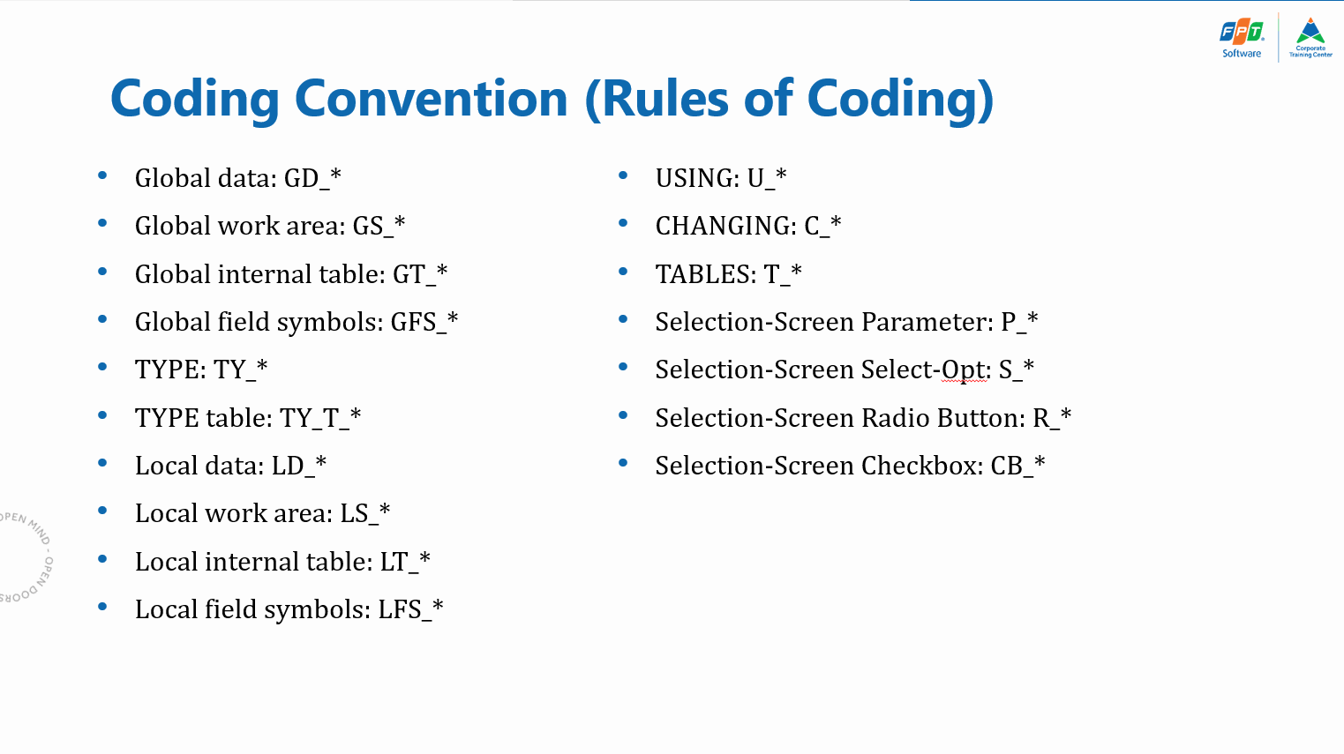

 | *** Hint: Search help for File Path should look like below.
 | Gợi ý: cách tạo search help cho cái File Path

 | Test File: <any file>.txt or .csv

 |  | AA,0017,US,NEW YORK,JFK,US,SAN FRANCISCO,SFO, 361,110000,140100, 2572,MI,, 0
 |  | AA,0026,DE,FRANKFURT,FRA,US,NEW YORK,JFK, 440,083000,095000, 3851,MI,, 0
 |  | AA,0064,US,SAN FRANCISCO,SFO,US,NEW YORK,JFK, 321,090000,172100, 2572,MI,, 0
 |  | AZ,0555,IT,ROME,FCO,DE,FRANKFURT,FRA, 125,190000,210500, 845,MI,, 0
 |  | AZ,0788,IT,ROME,FCO,JP,TOKYO,TYO, 775,120000,085500, 6130,MI,, 1
 |  | AZ,0789,JP,TOKYO,TYO,IT,ROME,FCO, 940,114500,192500, 6130,MI,, 0
 |  | AZ,0790,IT,ROME,FCO,JP,OSAKA,KIX, 815,103500,081000, 6030,MI,X, 1
 |  | AZ,0791,JP,OSAKA,KIX,IT,ROME,FCO, 975,111500,193000, 6030,MI,X, 0
 |  | DL,0106,US,NEW YORK,JFK,DE,FRANKFURT,FRA, 475,193500,093000, 3851,MI,, 1
 |  | DL,1699,US,NEW YORK,JFK,US,SAN FRANCISCO,SFO, 382,171500,203700, 2572,MI,, 0
 |  | DL,1984,US,SAN FRANCISCO,SFO,US,NEW YORK,JFK, 325,100000,182500, 2572,MI,, 0
 |  | JL,0407,JP,TOKYO,NRT,DE,FRANKFURT,FRA, 725,133000,173500, 9100,KM,, 0
 |  | JL,0408,DE,FRANKFURT,FRA,JP,TOKYO,NRT, 675,202500,154000, 9100,KM,X, 1
 |  | LH,0400,DE,FRANKFURT,FRA,US,NEW YORK,JFK, 444,101000,113400, 6162,KM,, 0
 |  | LH,0401,US,NEW YORK,JFK,DE,FRANKFURT,FRA, 435,183000,074500, 6162,KM,, 1
 |  | LH,0402,DE,FRANKFURT,FRA,US,NEW YORK,JFK, 455,133000,150500, 6162,KM,X, 0
 |  | LH,0454,DE,FRANKFURT,FRA,US,SAN FRANCISCO,SFO, 680,101000,123000, 9150,KM,, 0
 |  | LH,045A,US,SAN FRANCISCO,SFO,DE,FRANKFURT,FRA, 630,150000,103000, 9150,KM,, 1
 |  | LH,2402,DE,FRANKFURT,FRA,DE,BERLIN,SXF, 65,103000,113500, 555,KM,, 0
 |  | LH,2407,DE,BERLIN,TXL,DE,FRANKFURT,FRA, 65,071000,081500, 555,KM,, 0
 |  | LH,2415,DE,BERLIN,SXF,DE,FRANKFURT,FRA, 65,092500,103000, 555,KM,, 0
 |  | LH,2436,DE,FRANKFURT,FRA,DE,BERLIN,THF, 65,173000,183500, 555,KM,, 0
 |  | LH,2462,DE,FRANKFURT,FRA,DE,BERLIN,TXL2, 65,063000,073500, 555,KM,, 0
 |  | LH,2463,DE,BERLIN,SXF,DE,FRANKFURT,FRA, 65,212500,223000, 555,KM,, 0
 |  | LH,3577,IT,ROME,FCO,DE,FRANKFURT,FRA, 120,070500,090500, 1351,KM,X, 0
 |  | QF,0005,SG,SINGAPORE,SIN,DE,FRANKFURT,FRA, 825,225000,053500,10000,KM,, 1
 |  | QF,0006,DE,FRANKFURT,FRA,SG,SINGAPORE,SIN, 670,205500,150500,10000,KM,, 1
 |  | SQ,0002,SG,SINGAPORE,SIN,US,SAN FRANCISCO,SFO, 1105,170000,192500, 8452,MI,, 0
 |  | SQ,0015,US,SAN FRANCISCO,SFO,SG,SINGAPORE,SIN, 1125,160000,024500, 8452,MI,, 2
 |  | SQ,0066,SG,SINGAPORE,SIN,TH,BANGKOK,BKK, 140,160000,172000, 937,MI,, 0
 |  | SQ,0067,TH,BANGKOK,BKK,SG,SINGAPORE,SIN, 145,183000,215500, 937,MI,, 0
 |  | SQ,0114,SG,SINGAPORE,SIN,MY,KUALA LUMPUR,KUL, 70,091500,102500, 250,MI,, 0
 |  | SQ,0117,MY,KUALA LUMPUR,KUL,SG,SINGAPORE,SIN, 70,120000,131000, 250,MI,, 0
 |  | SQ,0158,SG,SINGAPORE,SIN,ID,JAKARTA,JKT, 95,152500,160000, 560,MI,, 0
 |  | SQ,0161,ID,JAKARTA,JKT,SG,SINGAPORE,SIN, 95,184000,211500, 560,MI,, 0
 |  | SQ,0325,DE,FRANKFURT,FRA,SG,SINGAPORE,SIN, 685,204500,151000,10000,KM,, 1
 |  | SQ,0326,SG,SINGAPORE,SIN,DE,FRANKFURT,FRA, 840,235500,065500,10000,KM,, 1
 |  | SQ,0863,HK,HONGKONG,HKG,SG,SINGAPORE,SIN, 270,162000,205000, 1625,MI,X, 0
 |  | SQ,0866,SG,SINGAPORE,SIN,HK,HONGKONG,HKG, 270,071000,114000, 1625,MI,, 0
 |  | SQ,0988,SG,SINGAPORE,SIN,JP,TOKYO,TYO, 400,163500,001500, 3125,MI,, 1
 |  | SQ,0997,JP,TOKYO,TYO,SG,SINGAPORE,SIN, 299,180000,215900, 3125,MI,, 0
 |  | UA,0007,US,NEW YORK,JFK,US,SAN FRANCISCO,SFO, 370,144500,175500, 2572,MI,, 0
 |  | UA,0941,DE,FRANKFURT,FRA,US,SAN FRANCISCO,SFO, 696,143000,170600, 5685,MI,, 0
 |  | UA,3504,US,SAN FRANCISCO,SFO,DE,FRANKFURT,FRA, 630,150000,103000, 5685,MI,, 1
 |  | UA,3516,US,NEW YORK,JFK,DE,FRANKFURT,FRA, 445,162000,054500, 6162,KM,, 1
 |  | UA,3517,DE,FRANKFURT,FRA,US,NEW YORK,JFK, 495,104000,125500, 6162,KM,, 0

Exercise 2:

 | 1. Create a Function Group
 |  | Function Group name: | YXXX_FGRP_EX02

 | 2. Create a Function Module in FGroup created above
 |  | Function Module Name: | Y_XXX_DAYS_ADD
 |  | Parameter:
 |  |  | IMPORTING
 |  |  |  | I_DATE
 |  |  |  | I_NUMBER_OF_DAYS
 |  |  | EXPORTING
 |  |  |  | E_DATE

 |  | ** Please use standard data element or create your data element to use as parameters' data type

 | 3. Write logic to calulate E_DATE by adding I_NUMBER_OF_DAYS to I_DATE

 | 4. Test the function module

Exercise 3:

 | 1. Create a Function Module in FGroup created in Ex2
 |  | Function Module Name: | Y_XXX_CALCULATE_DATE
 |  | Parameter:
 |  |  | IMPORTING
 |  |  |  | I_DATE
 |  |  |  | I_NUMBER_OF_DAYS | (Optional)
 |  |  |  | I_NUMBER_OF_MONTHS | (Optional)
 |  |  |  | I_NUMBER_OF_YEARS | (Optional)
 |  |  | EXPORTING
 |  |  |  | E_DATE
 |  |  | EXCEPTION
 |  |  |  | NOTHING_TO_CALCULATE

 |  | ** Please use standard data element or create your data element to use as parameters' data type

 | 2. Write logic to calulate E_DATE by adding days, months, years to I_DATE

 | 3. If all parameters of days months years are initial, RAISE exception NOTHING_TO_CALCULATE

 | 4. Test the function module

Exercise 4:

 | 1. Create a Function Module in FGroup created in Ex2
 |  | Function Module Name: | Y_XXX_CONVERT_AMOUNT2TEXT
 |  | Parameter:
 |  |  | IMPORTING
 |  |  |  | IV_AMOUNT
 |  |  | EXPORTING
 |  |  |  | EV_STRING
 |  |  | EXCEPTION
 |  |  |  | NO_GREATER_THAN_1B

 |  | ** Please create your data element to use as parameters' data type

 | 2. Write logic to convert Amount to Vietnamese Text, given that the number is less than 1 billion

 | 3. If RAISE exception NO_GREATER_THAN_1B, when IV_AMOUNT >= 1,000,000,000

 | 4. Test the function module

Evidence
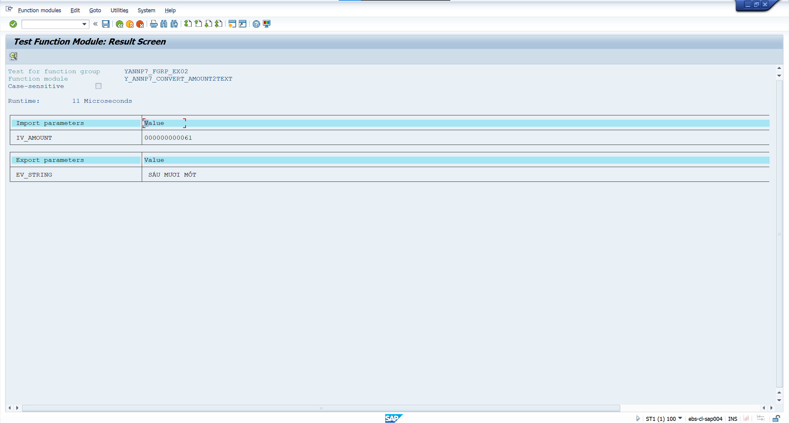
 | Screenshots

Exercise 1 | Program Name: |  | YANNP7_MOD_FM_EX01

 | <SLIN screenshot>

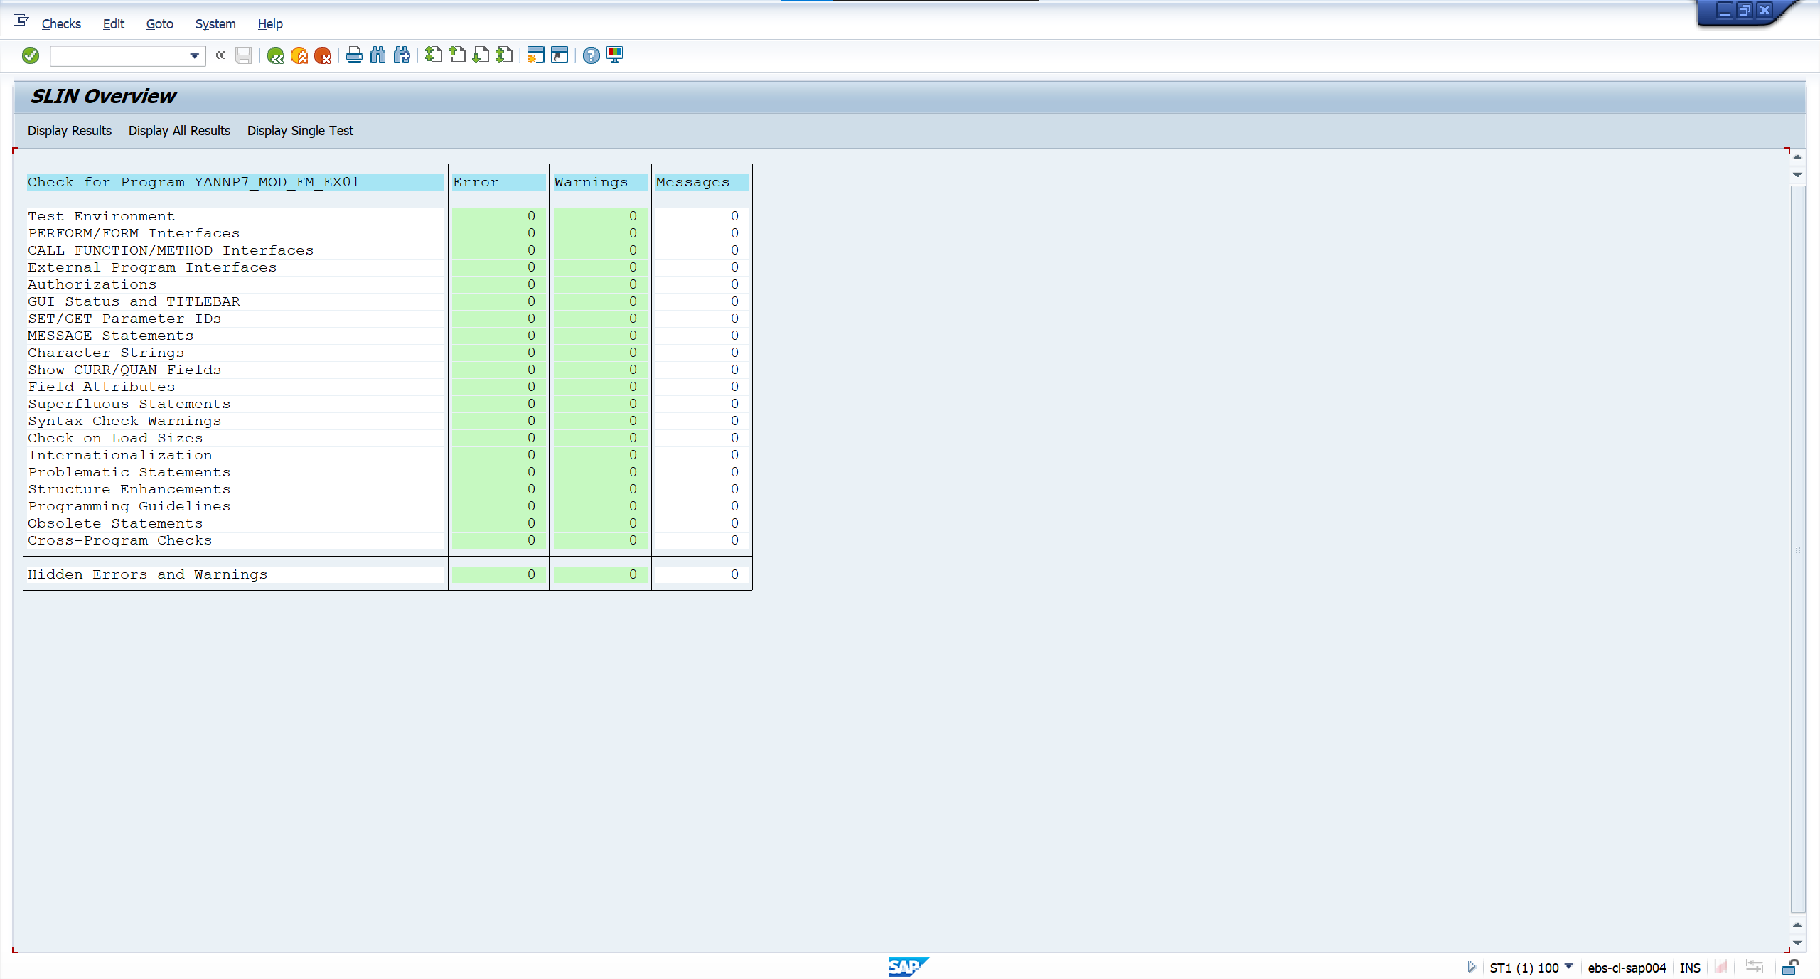

 |  | <screenshot>

 | Case 1: Input SPFLI_TEST.txt file path

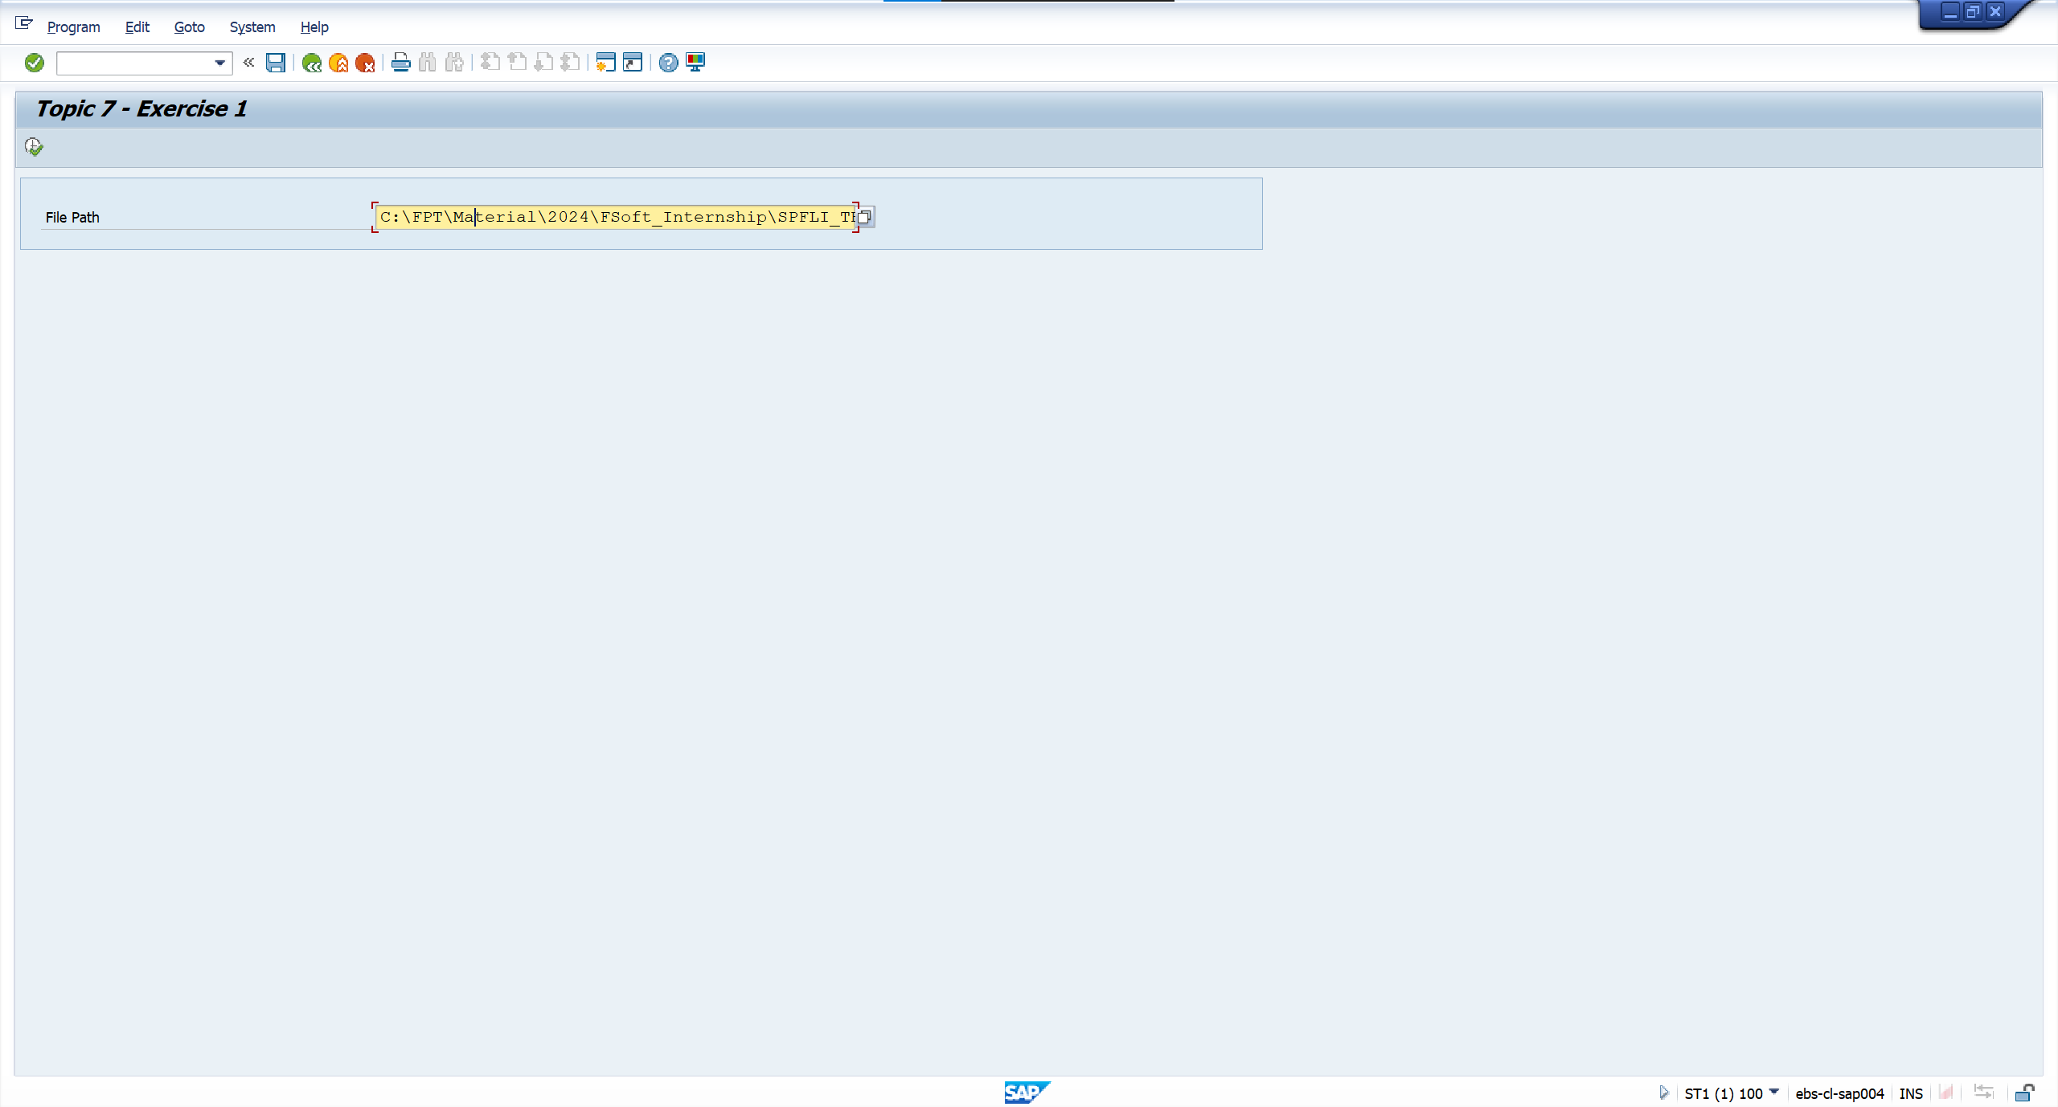

 | Output
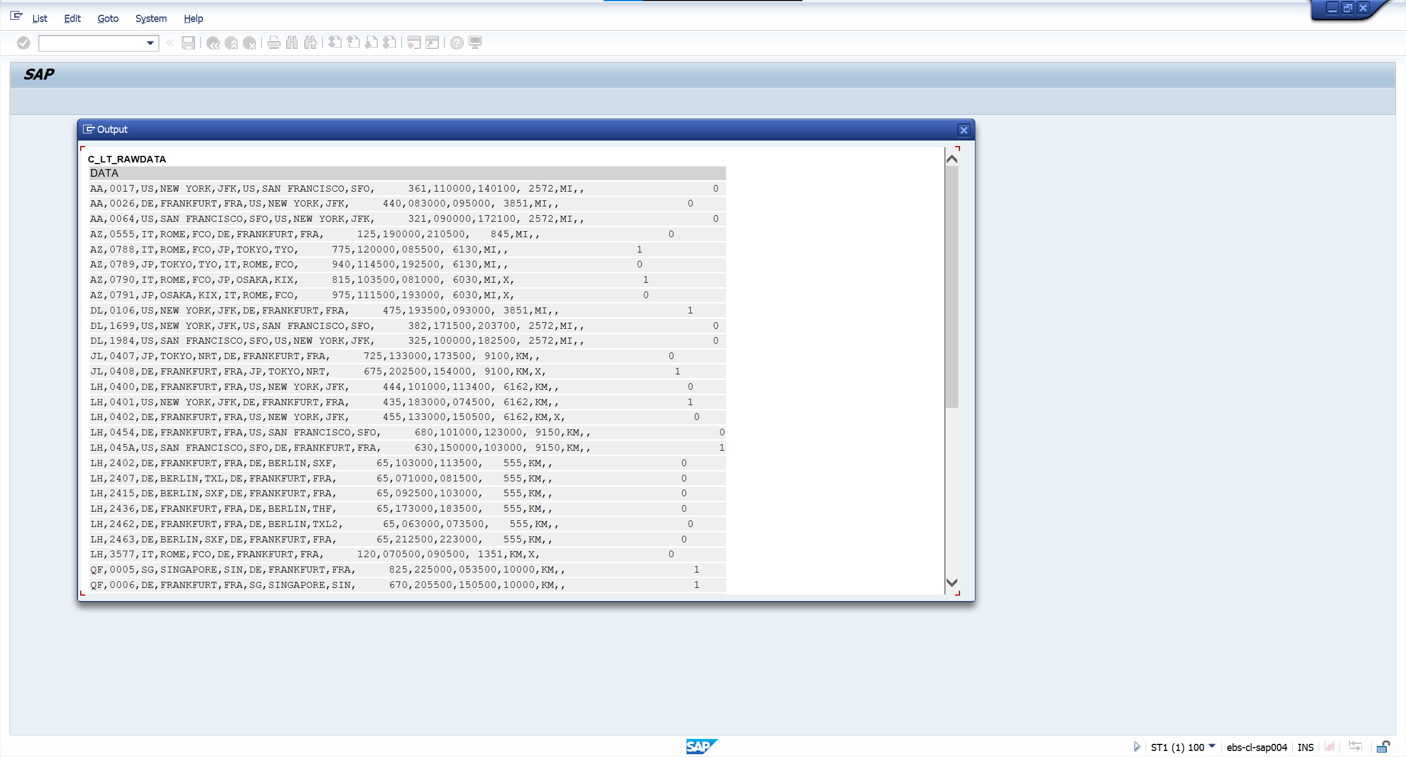

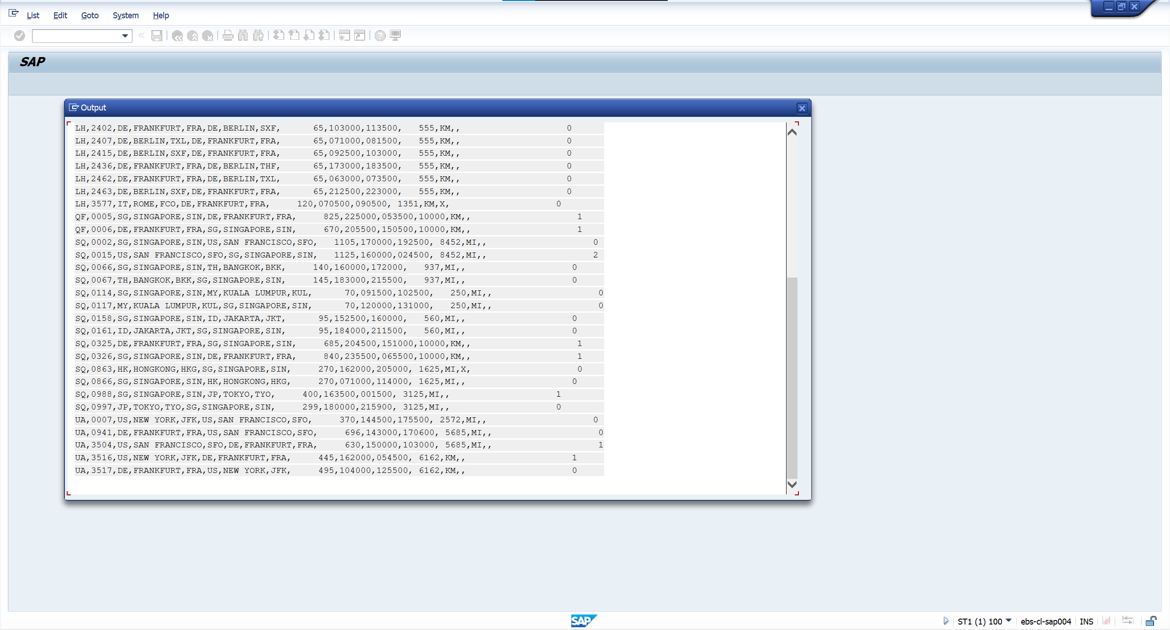

 | Case 2: TMP_GUI_FILE_OPEN_DIALOG exception
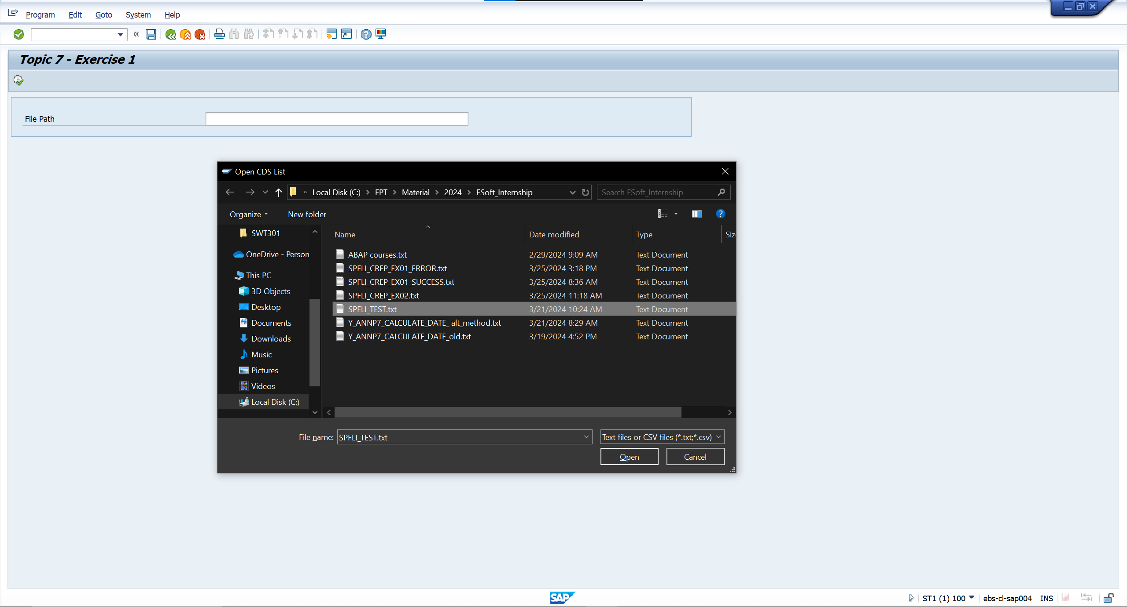

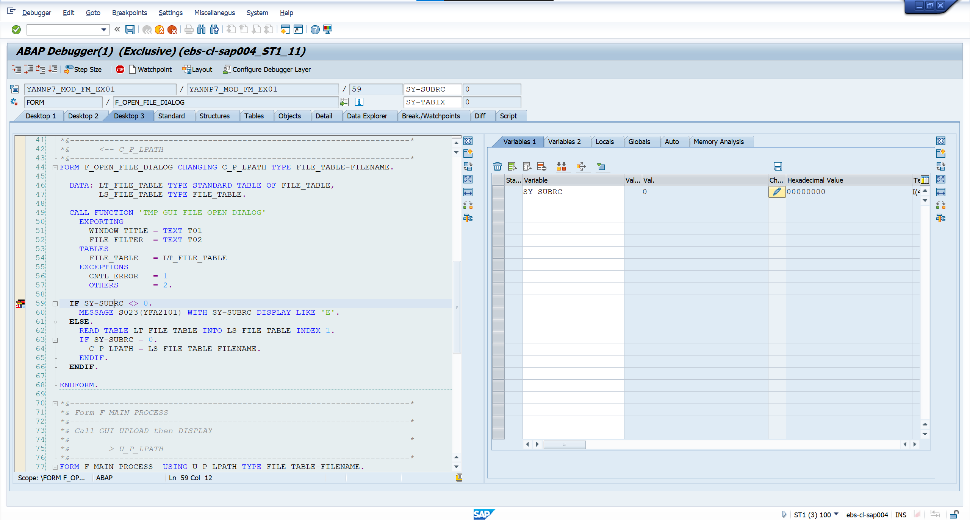



Change SY-SUBRC to 1

 | Output



 | Case 3: GUI_UPLOAD exception



 | Output
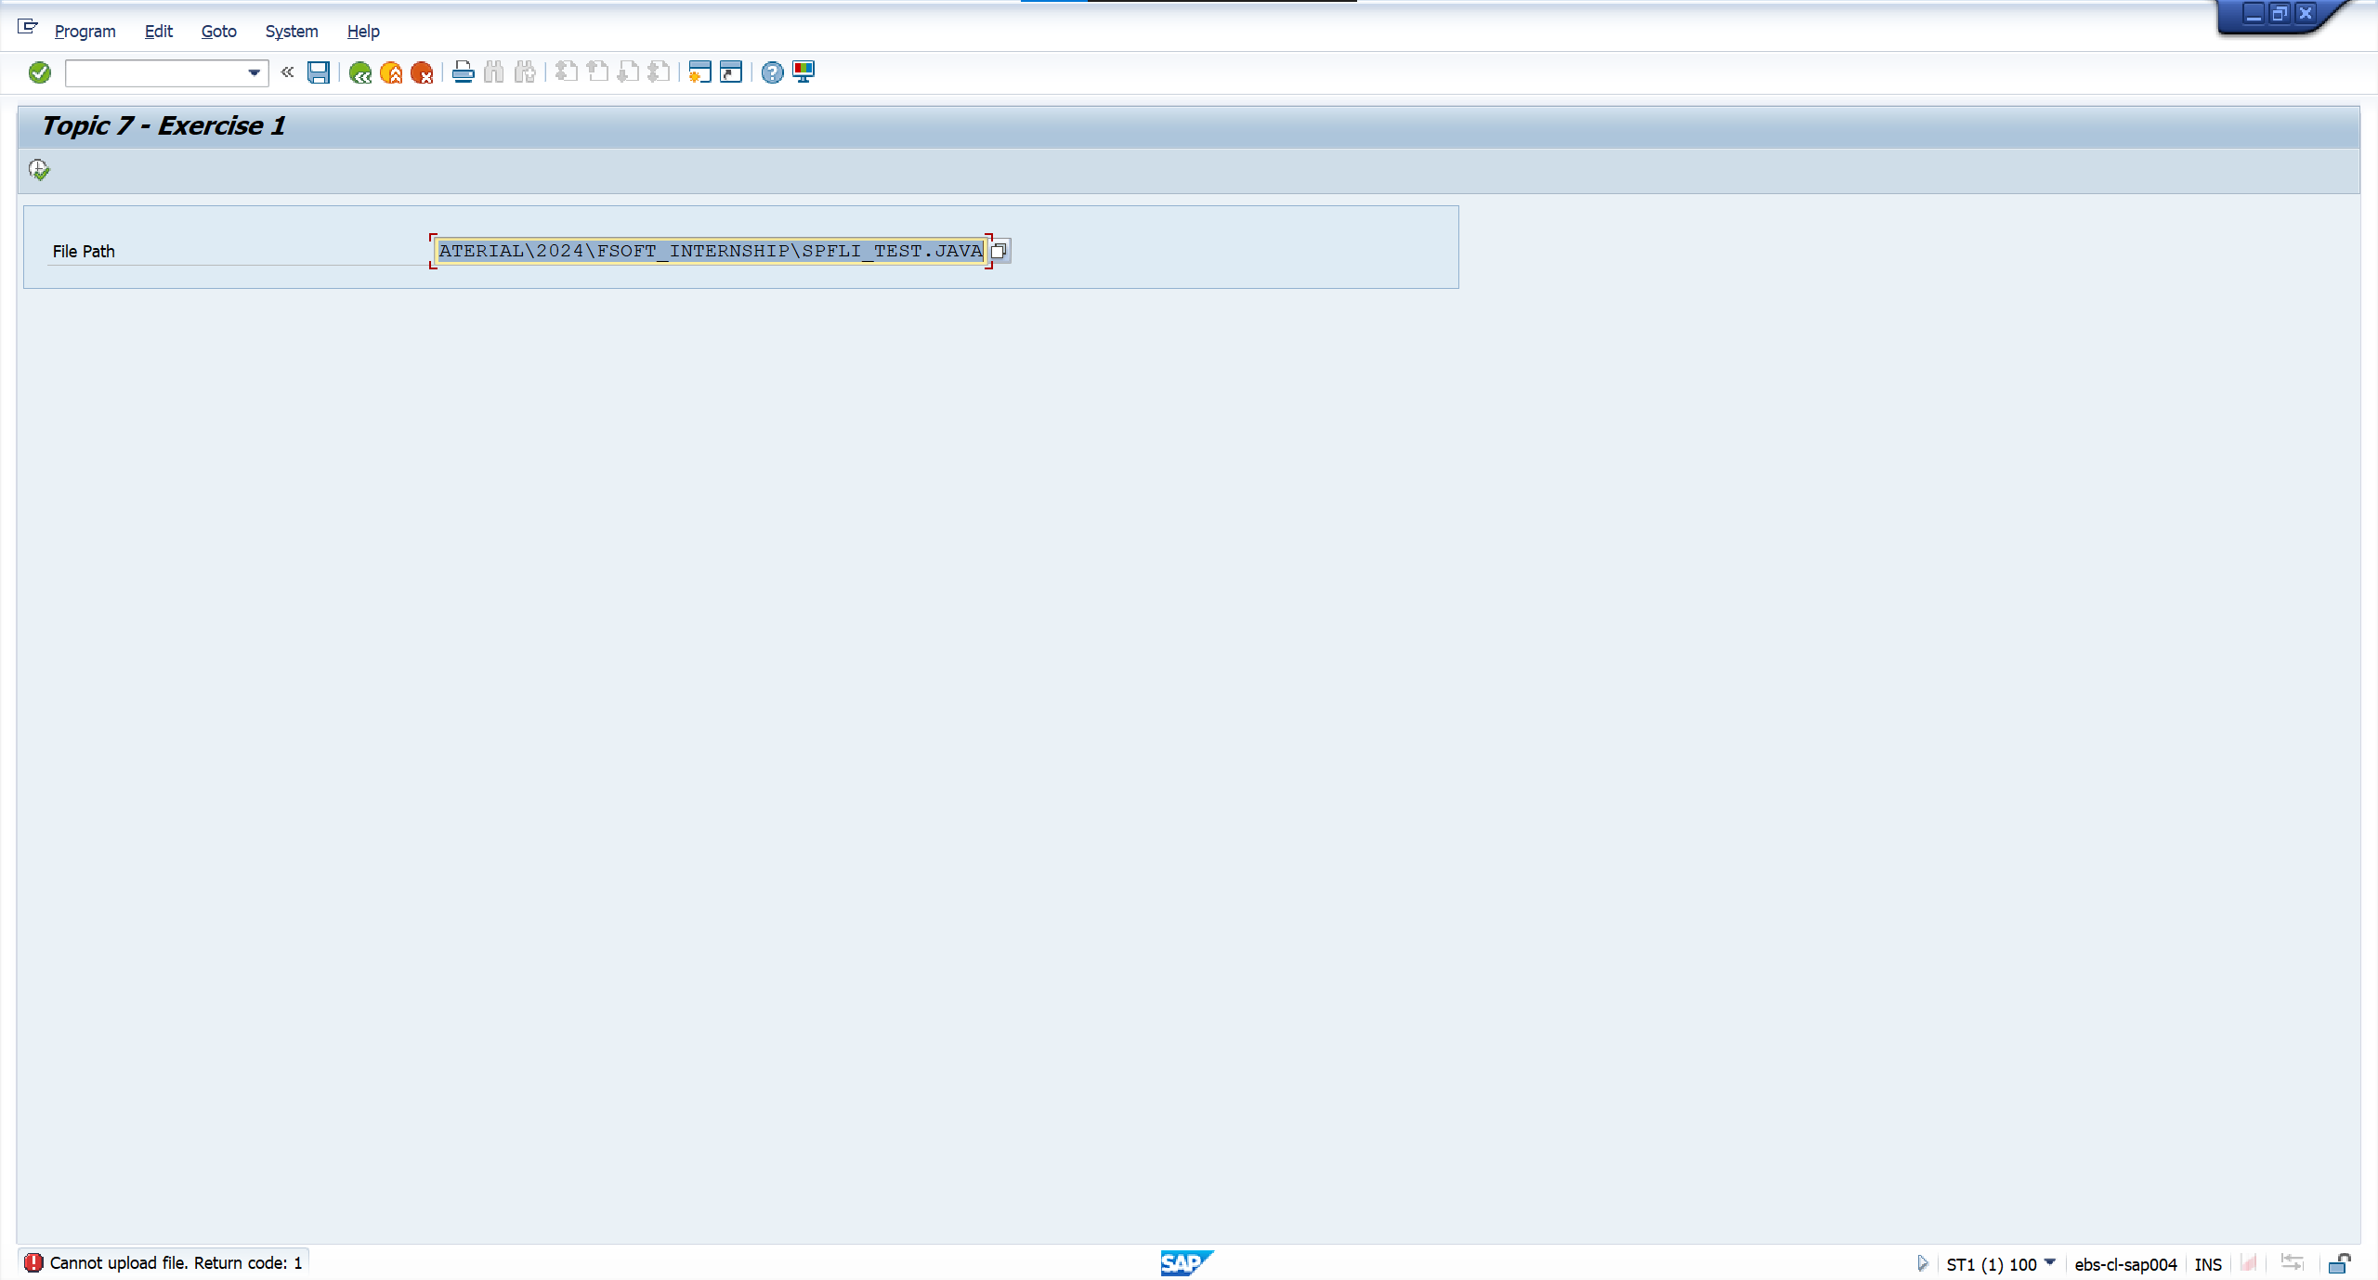

Exercise 2 | Function Name: |  | Y_ANNP7_DAYS_ADD | Function Group Name: | YANNP7_FGRP_EX02

 | <Function Group SLIN>

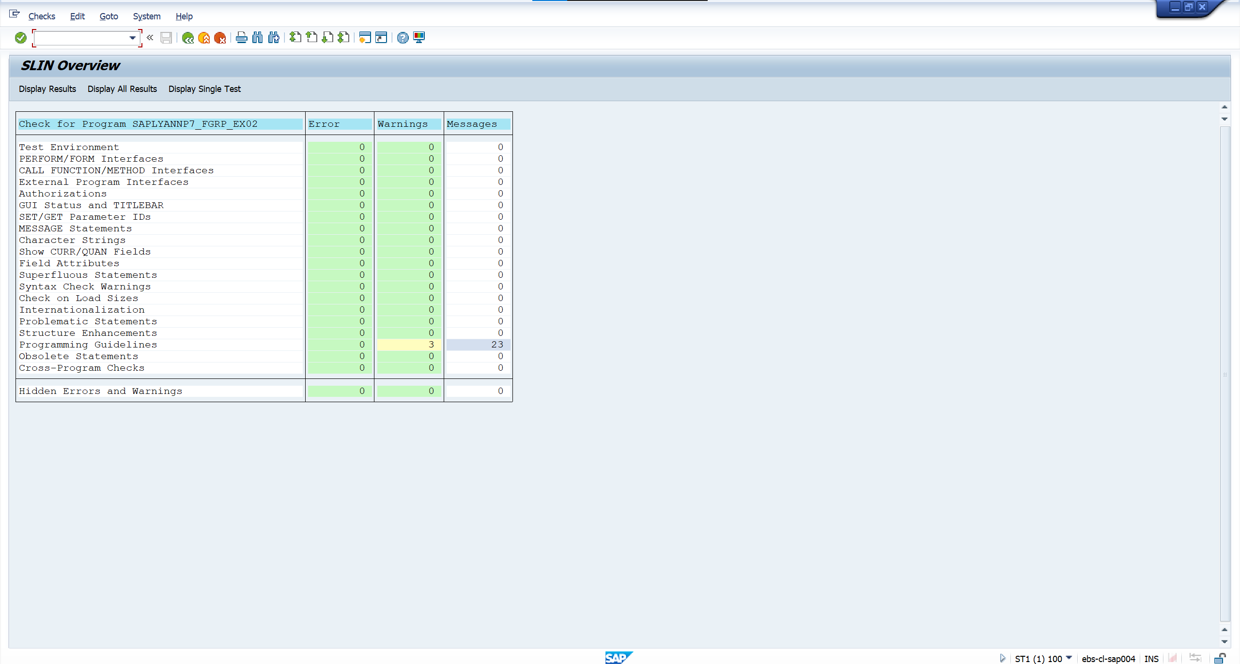

 |  | <screenshot>

 | Case 1: Input date = 05/02/2023 (MM/DD/YYYY), number of days = 10

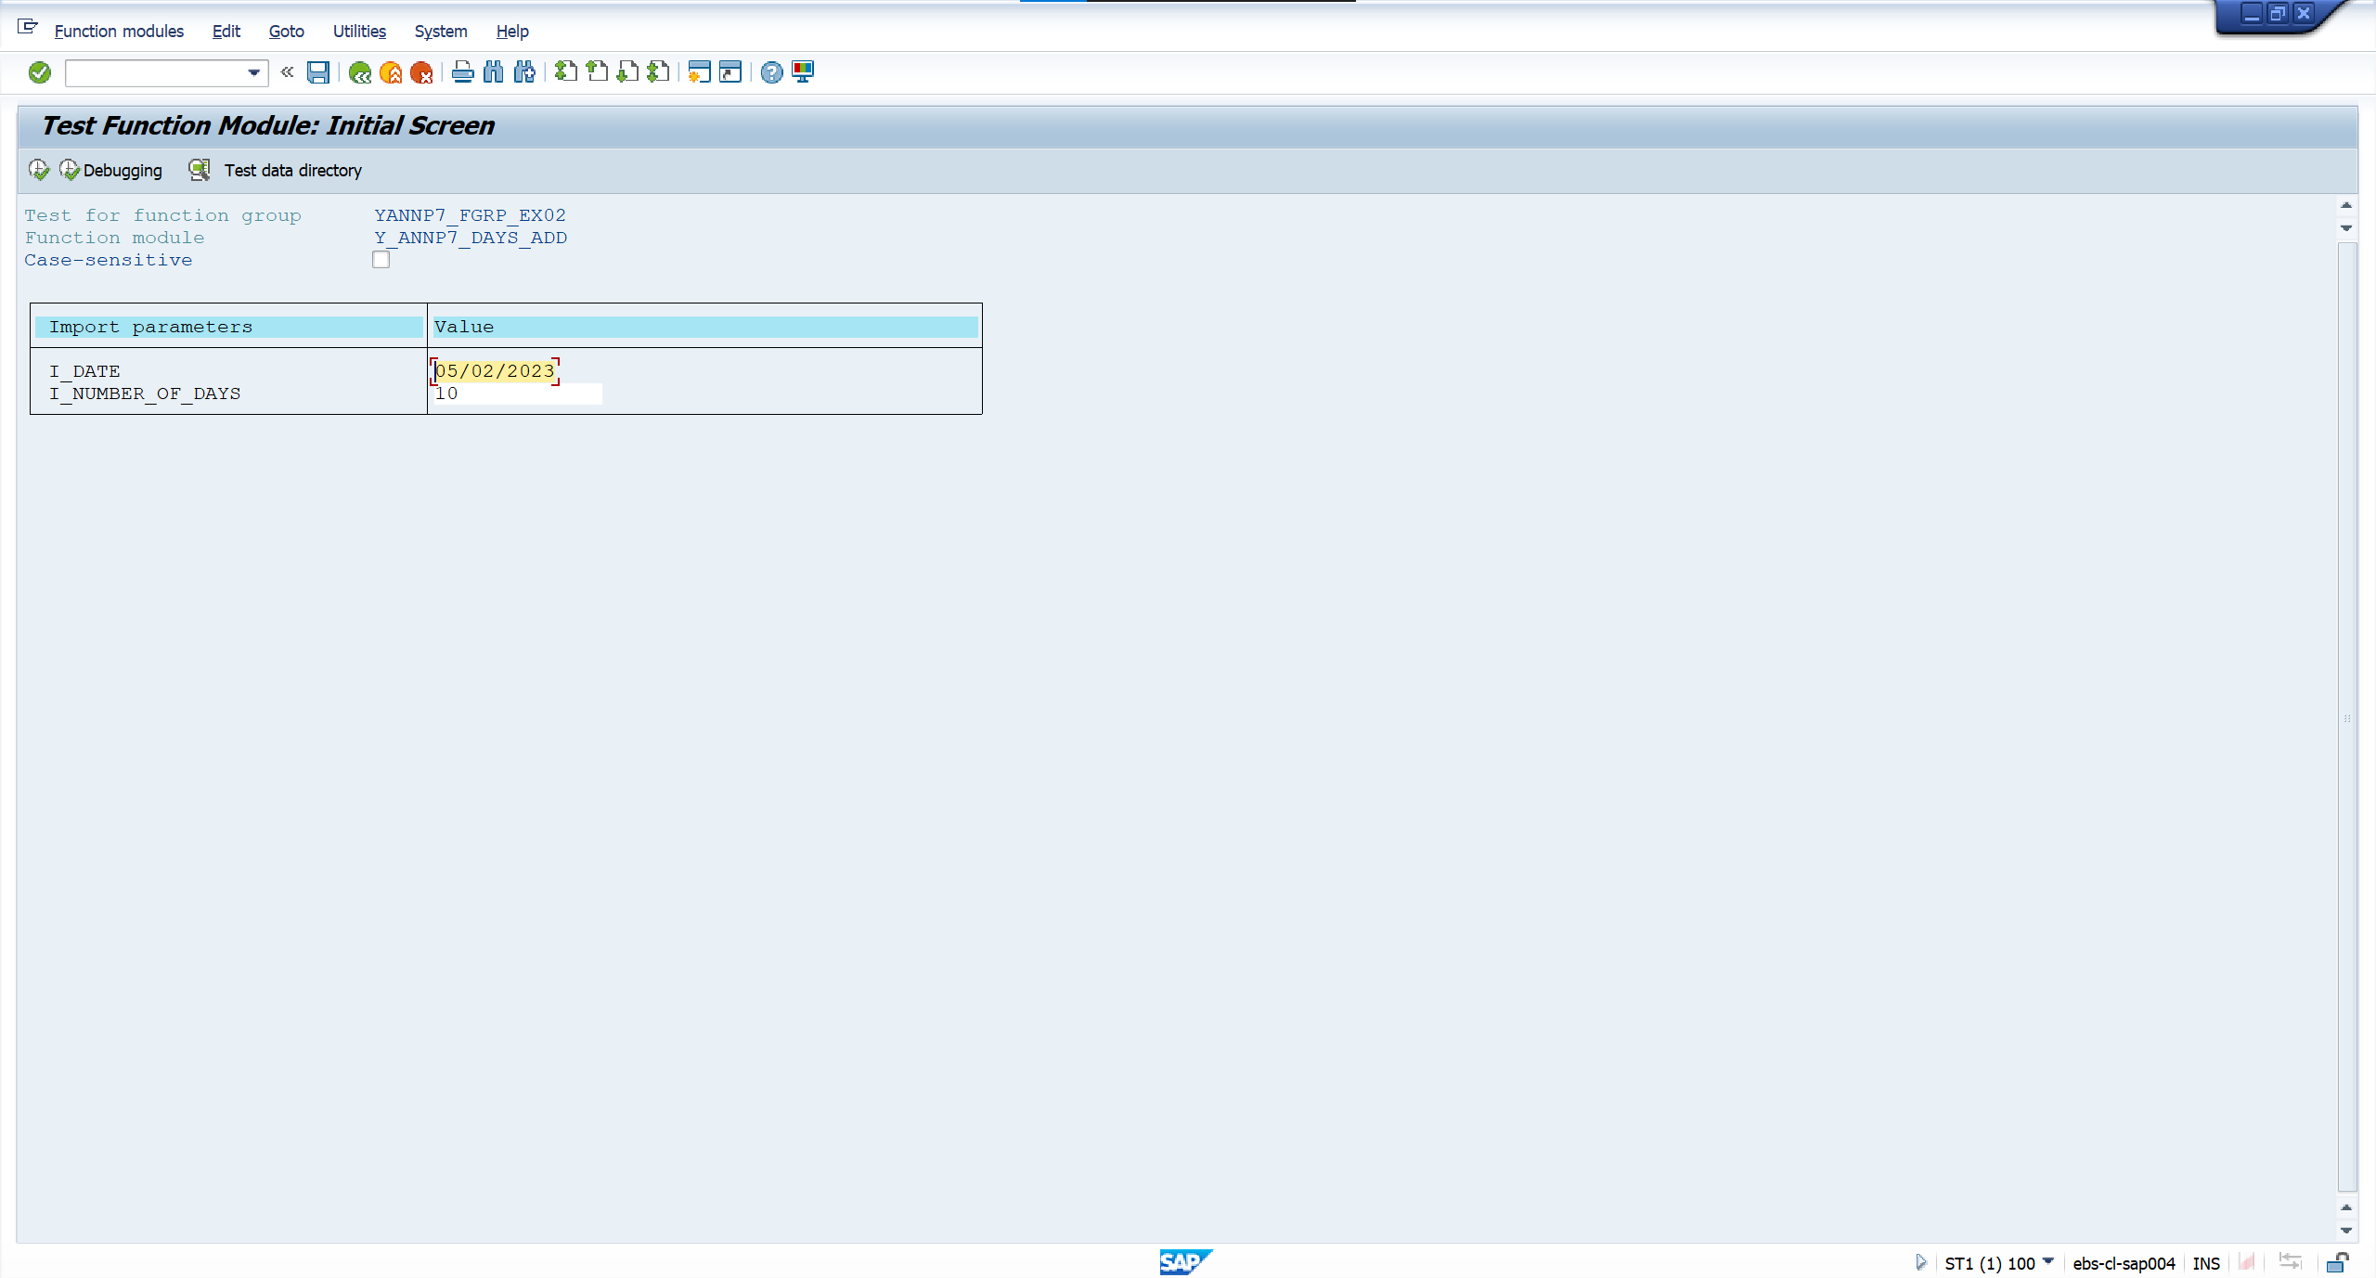

 | Output

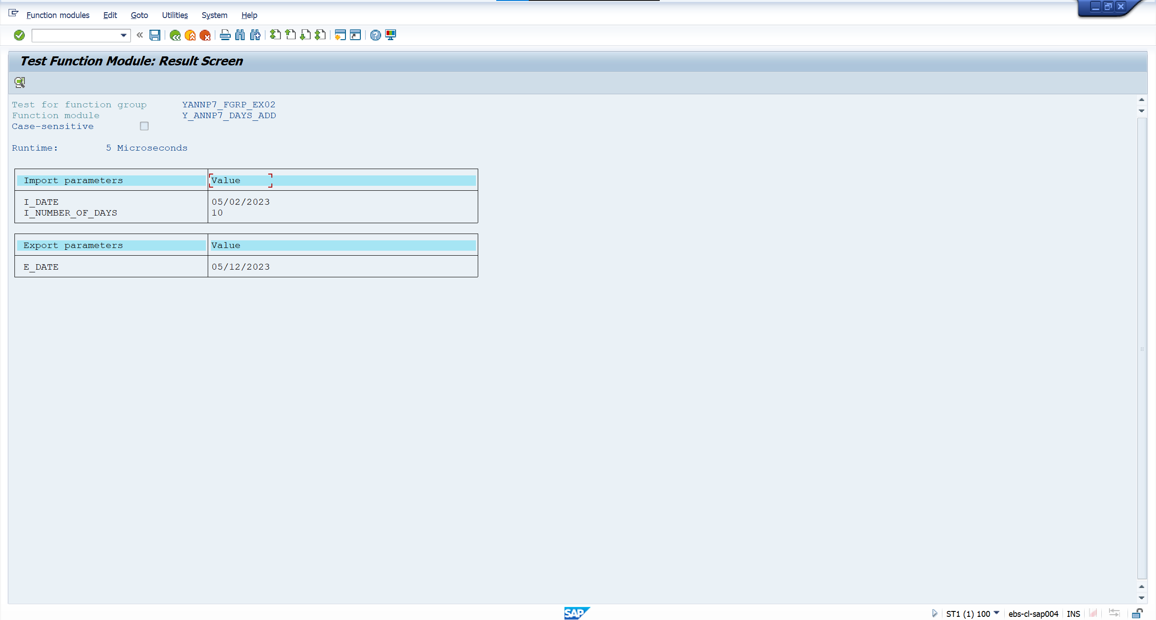

 | Case 2: Input date = 03/28/2021 (MM/DD/YYYY), number of days = 35

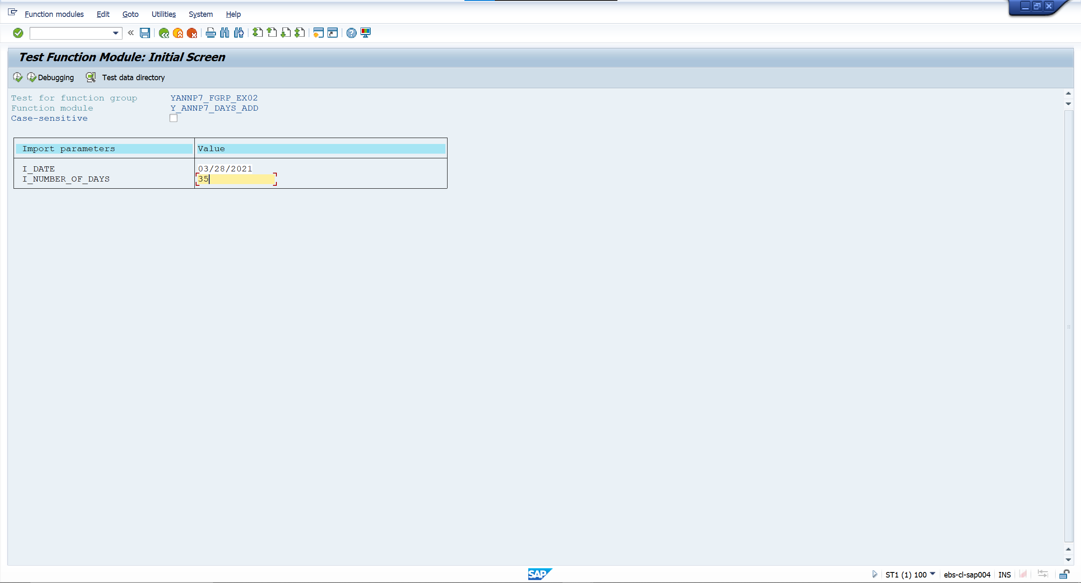

 | Output

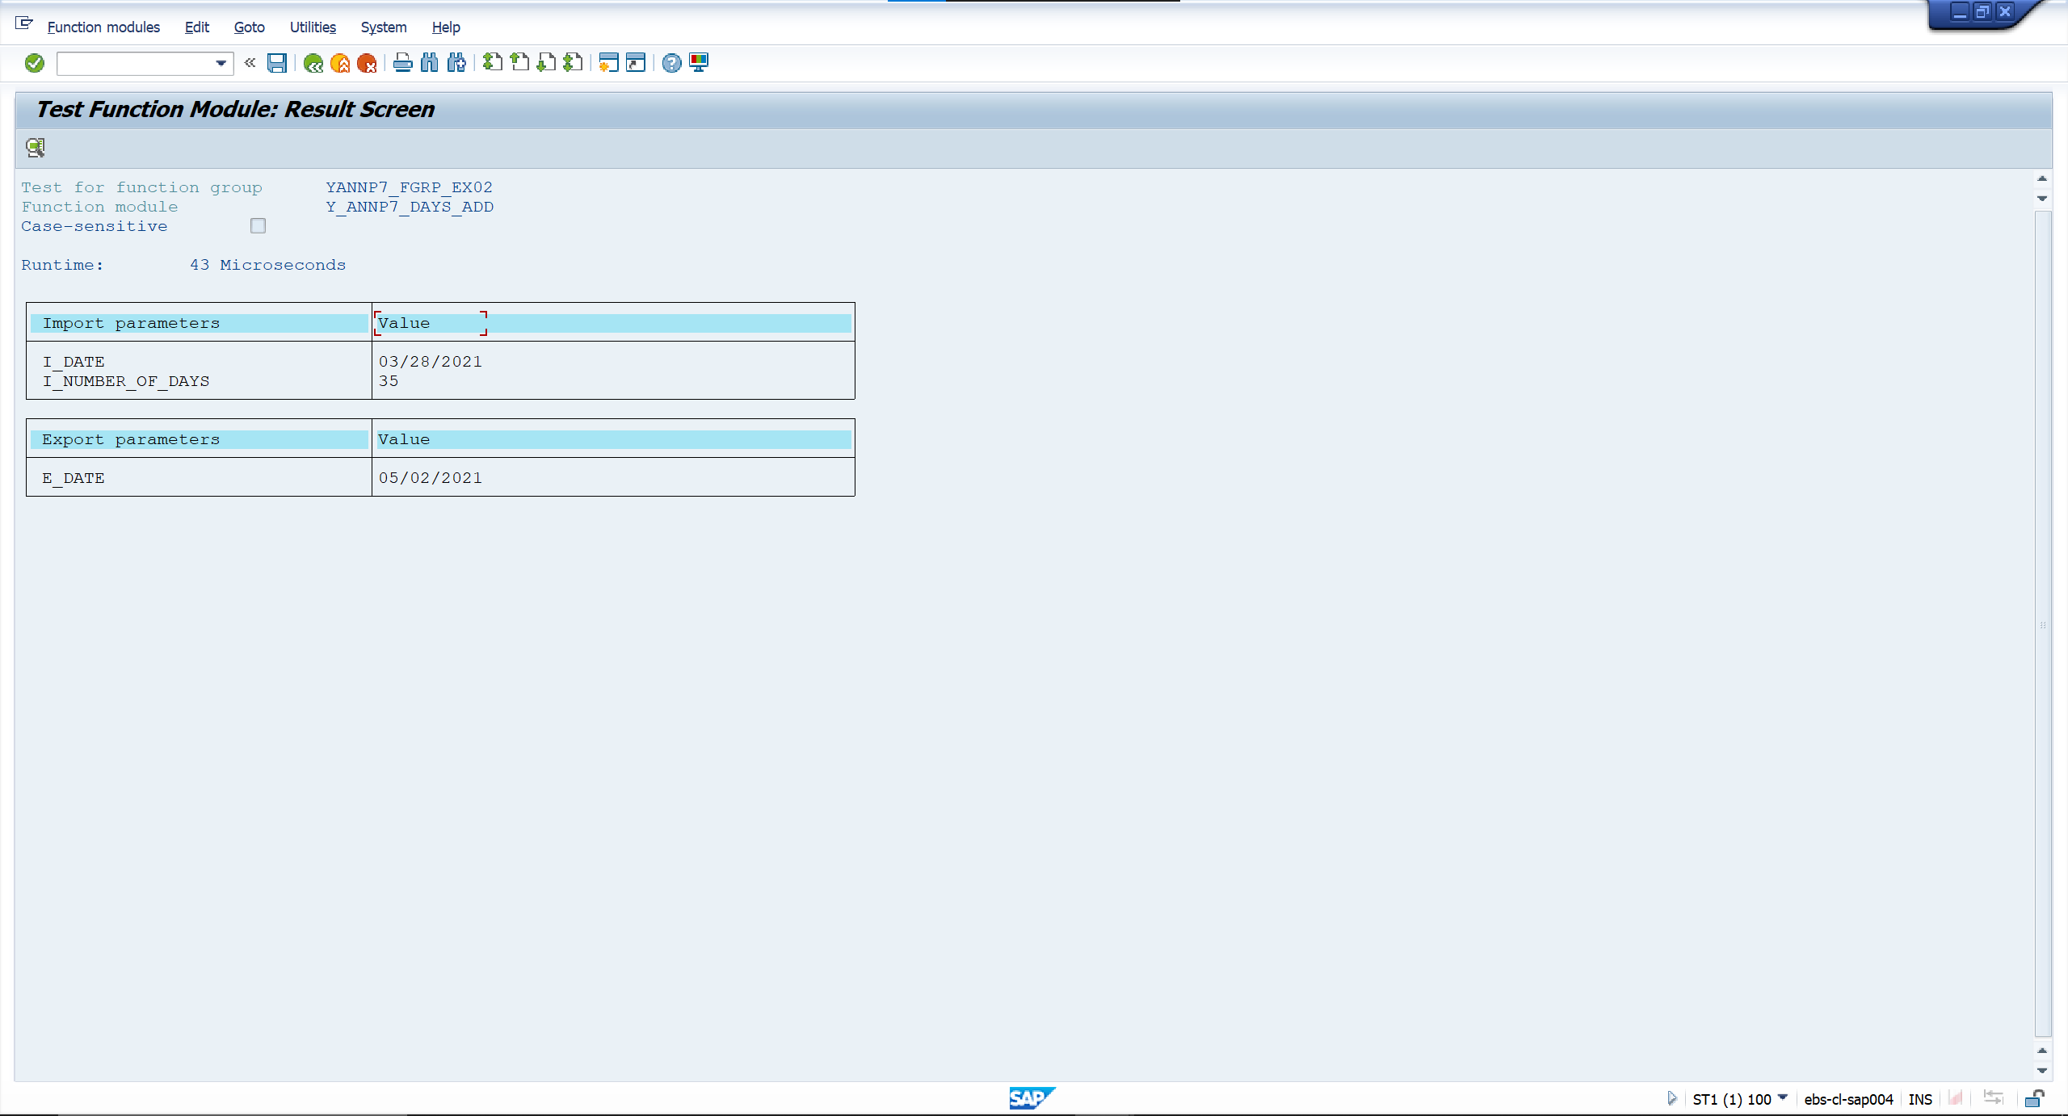

 | Case 3: Input date = 03/27/2023 (MM/DD/YYYY), number of days = 375



 | Output



Exercise 3 | Function Name: |  | Y_ANNP7_CALCULATE_DATE | Function Group Name: | YANNP7_FGRP_EX02

 |  | <screenshot>

 | Case 1: Input date = 12/21/2022 (MM/DD/YYYY), number of days = 13, number of months = 2, number of years = 1.


 | Output

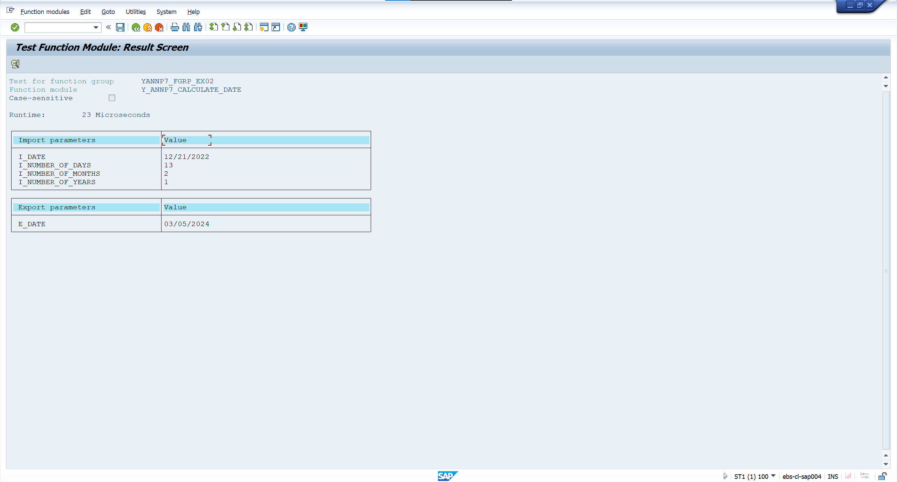

 | Case 2: Input date = 06/27/2001 (MM/DD/YYYY), number of days = 0, number of months = 0, number of years = 0



 | Output
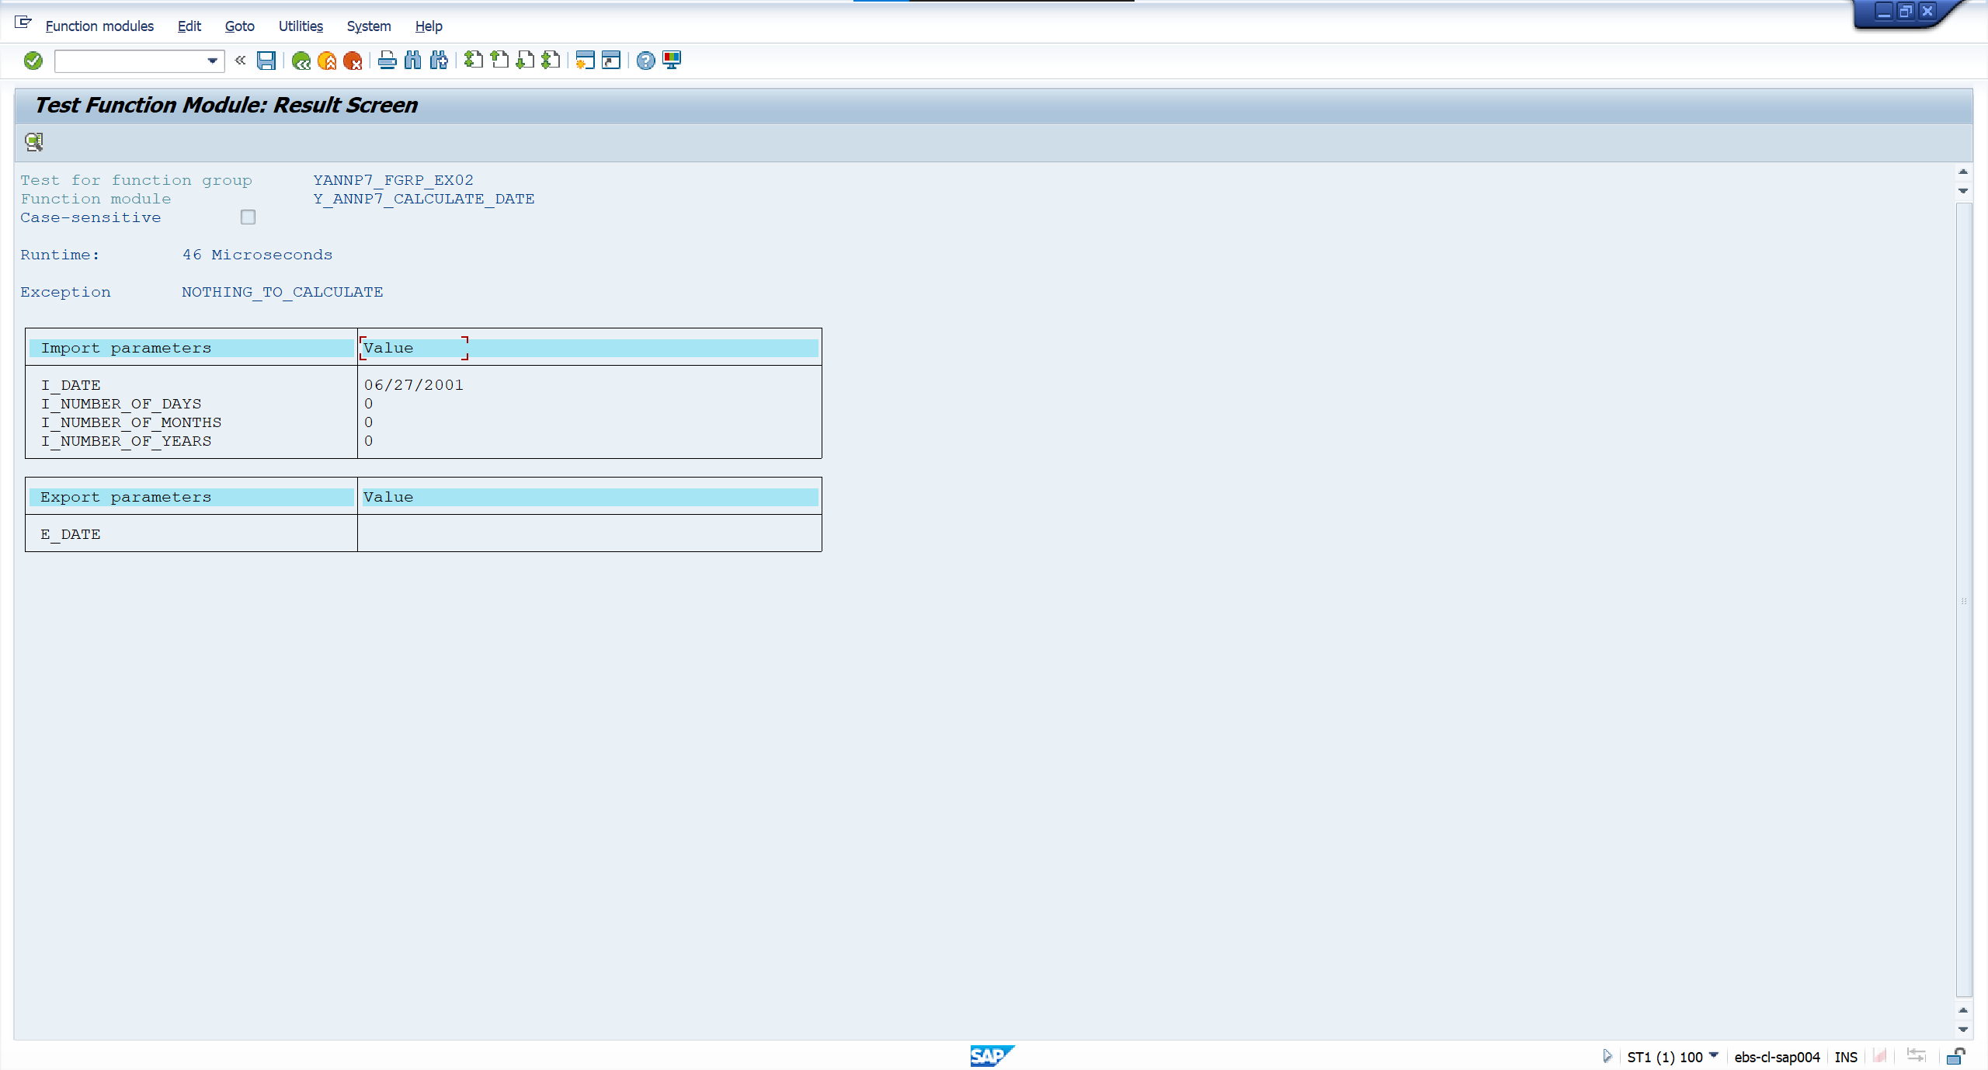

 | Case 3: Input date = 06/27/2001 (MM/DD/YYYY), number of months = -2


 | Output

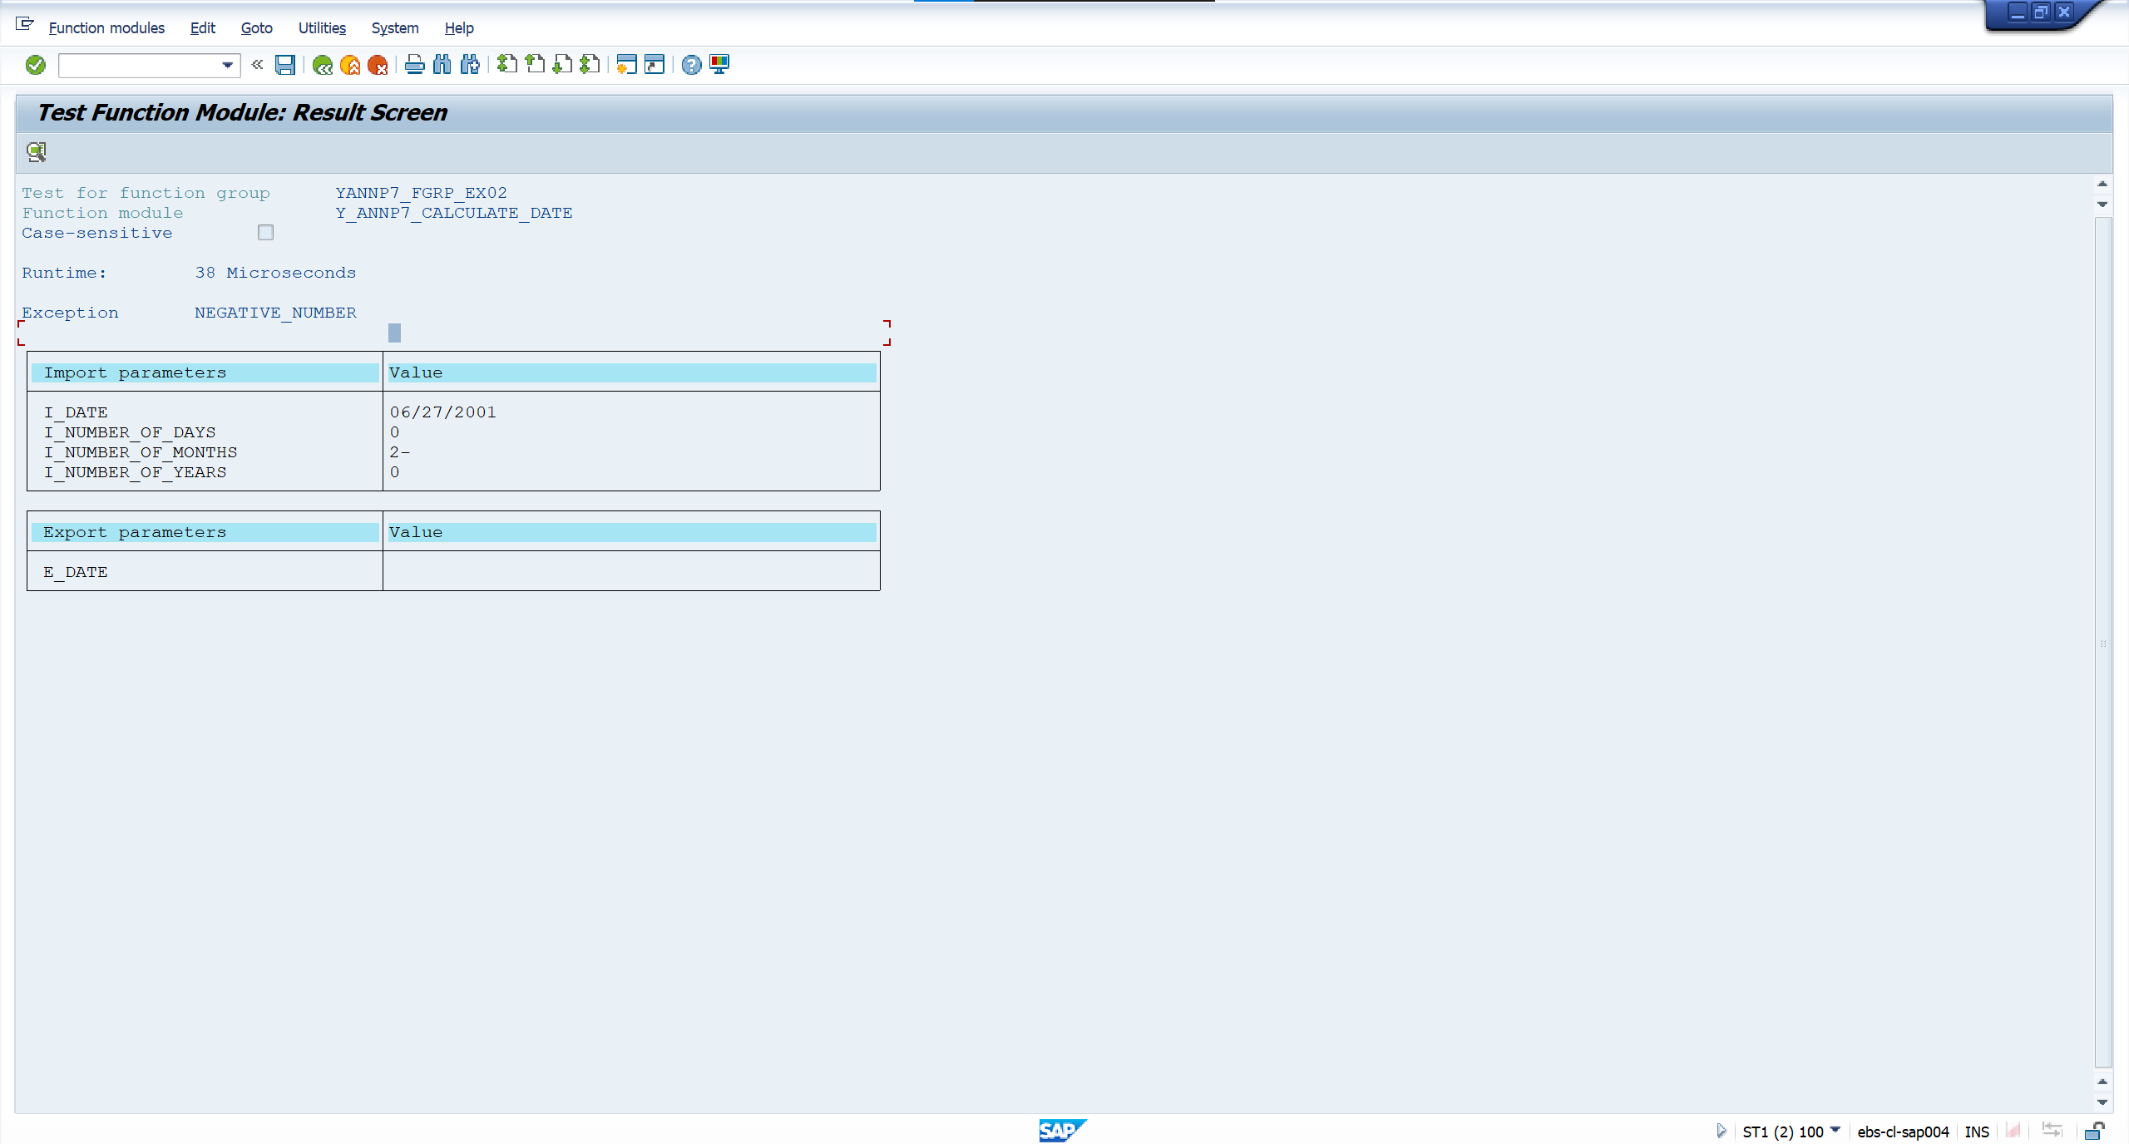

 | Case 4: Input date = 05/02/2023, number of days = 31



 | Output

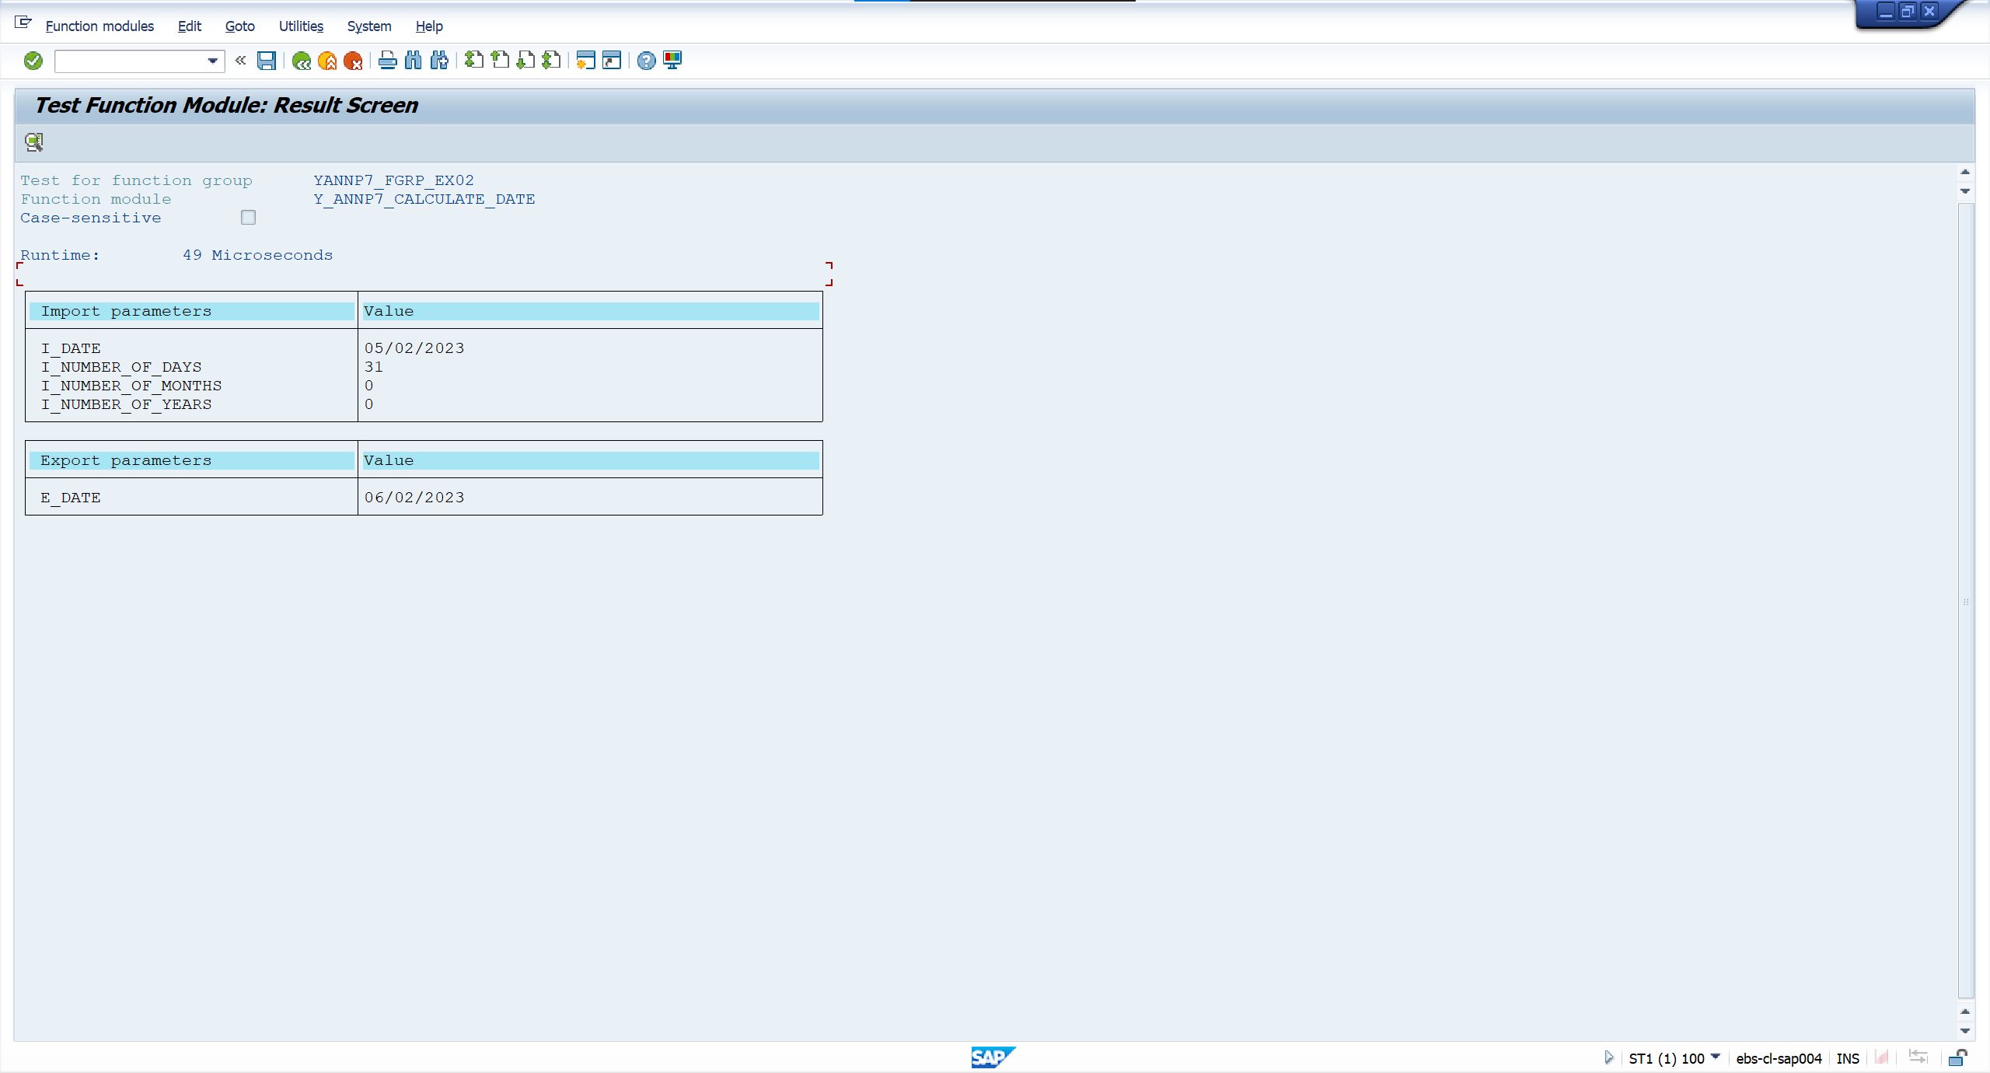

 | Case 5: Input date = 05/02/2023, number of months = 13


 | Output



 | Case 6: Input date = 05/02/2023, number of years = 1



 | Output



Exercise 4 | Function Name: |  | Y_ANNP7_CALCULATE_DATE | Function Group Name: | YANNP7_FGRP_EX02

 |  | <screenshot>

 | Case 1: Input amount = 201721890

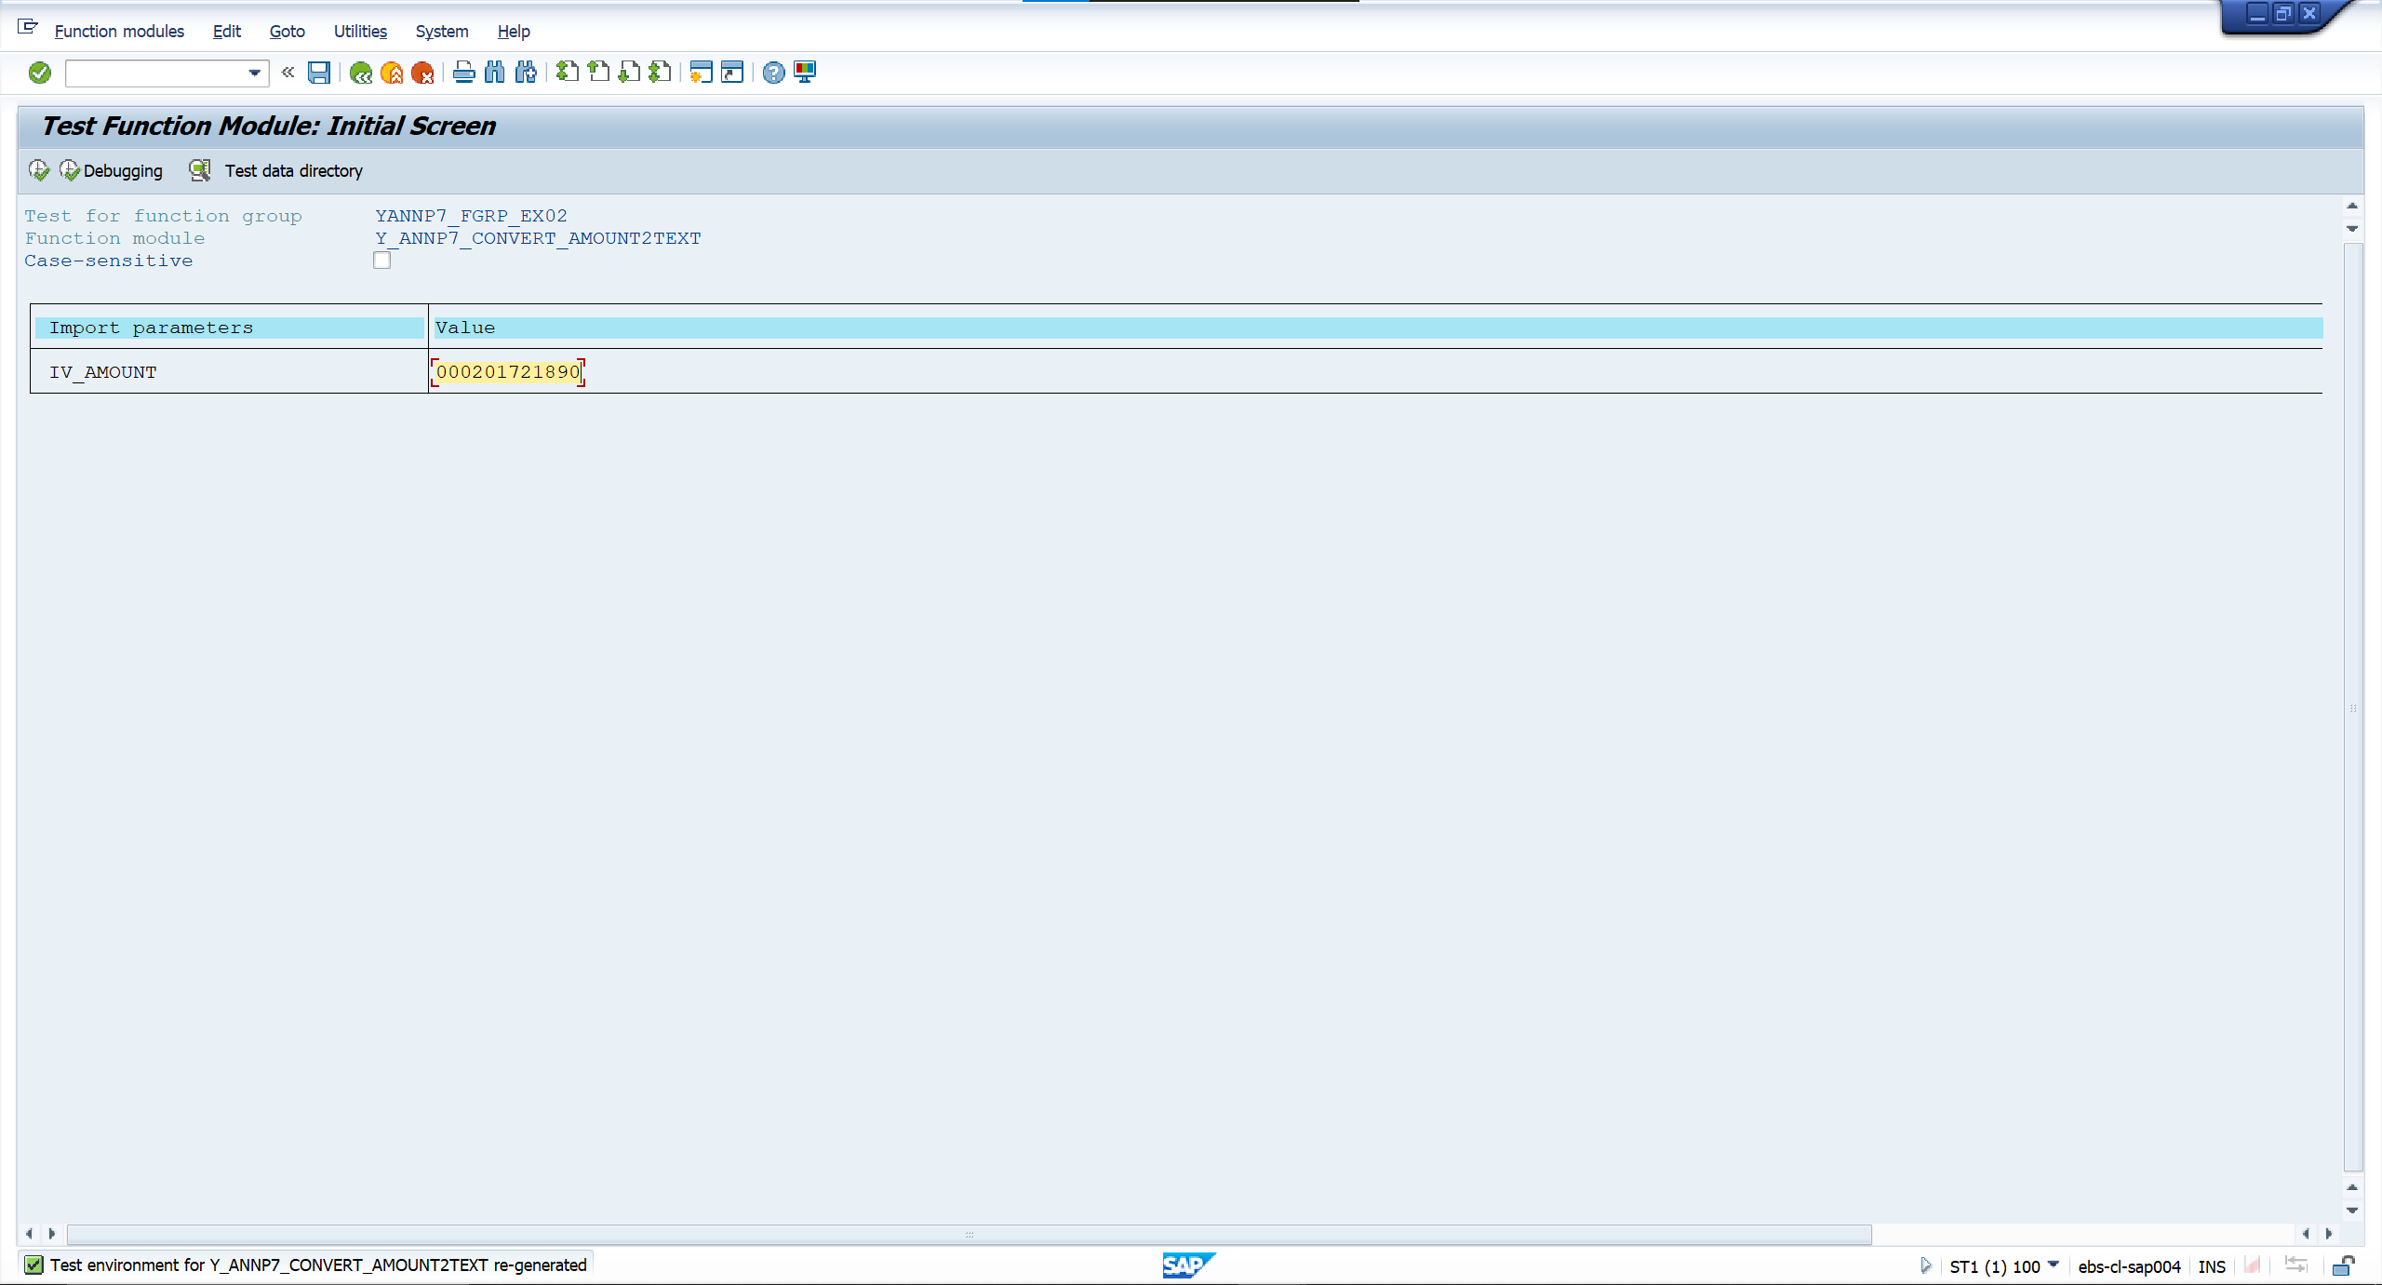

 | Output


 | Case 2: Input amount = 0


 | Output

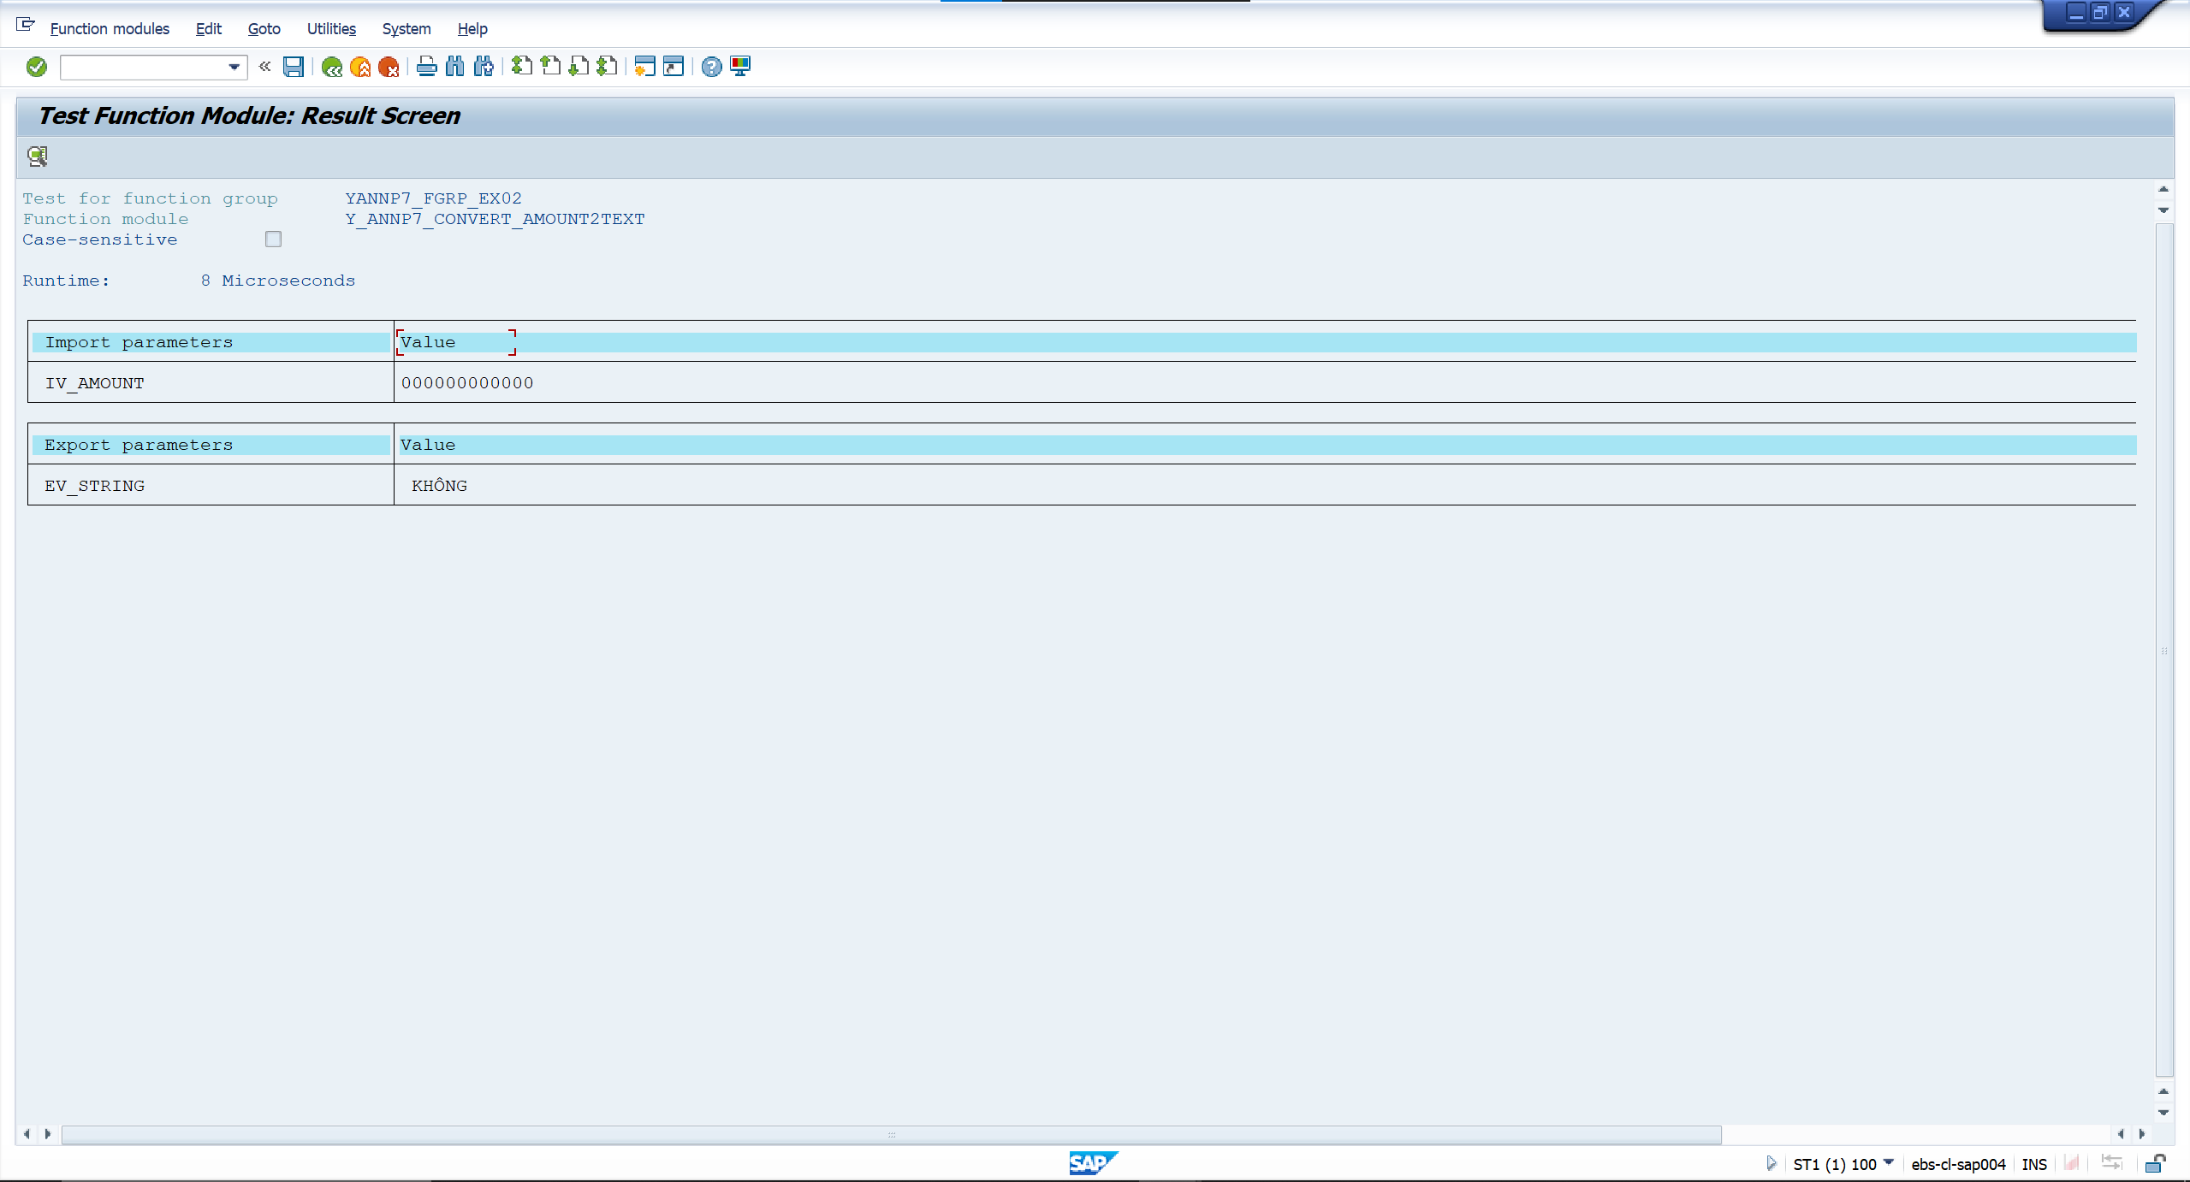

 | Case 3: Input amount = 4580002862


 | Output

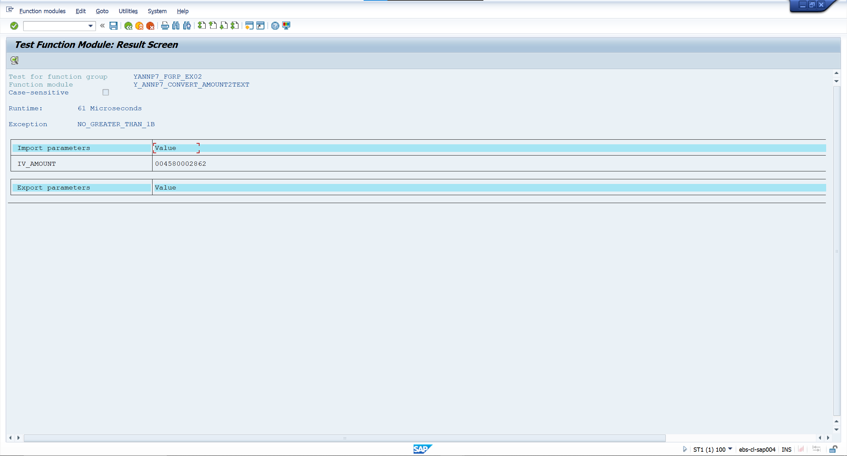

 | Case 4: Input amount 201

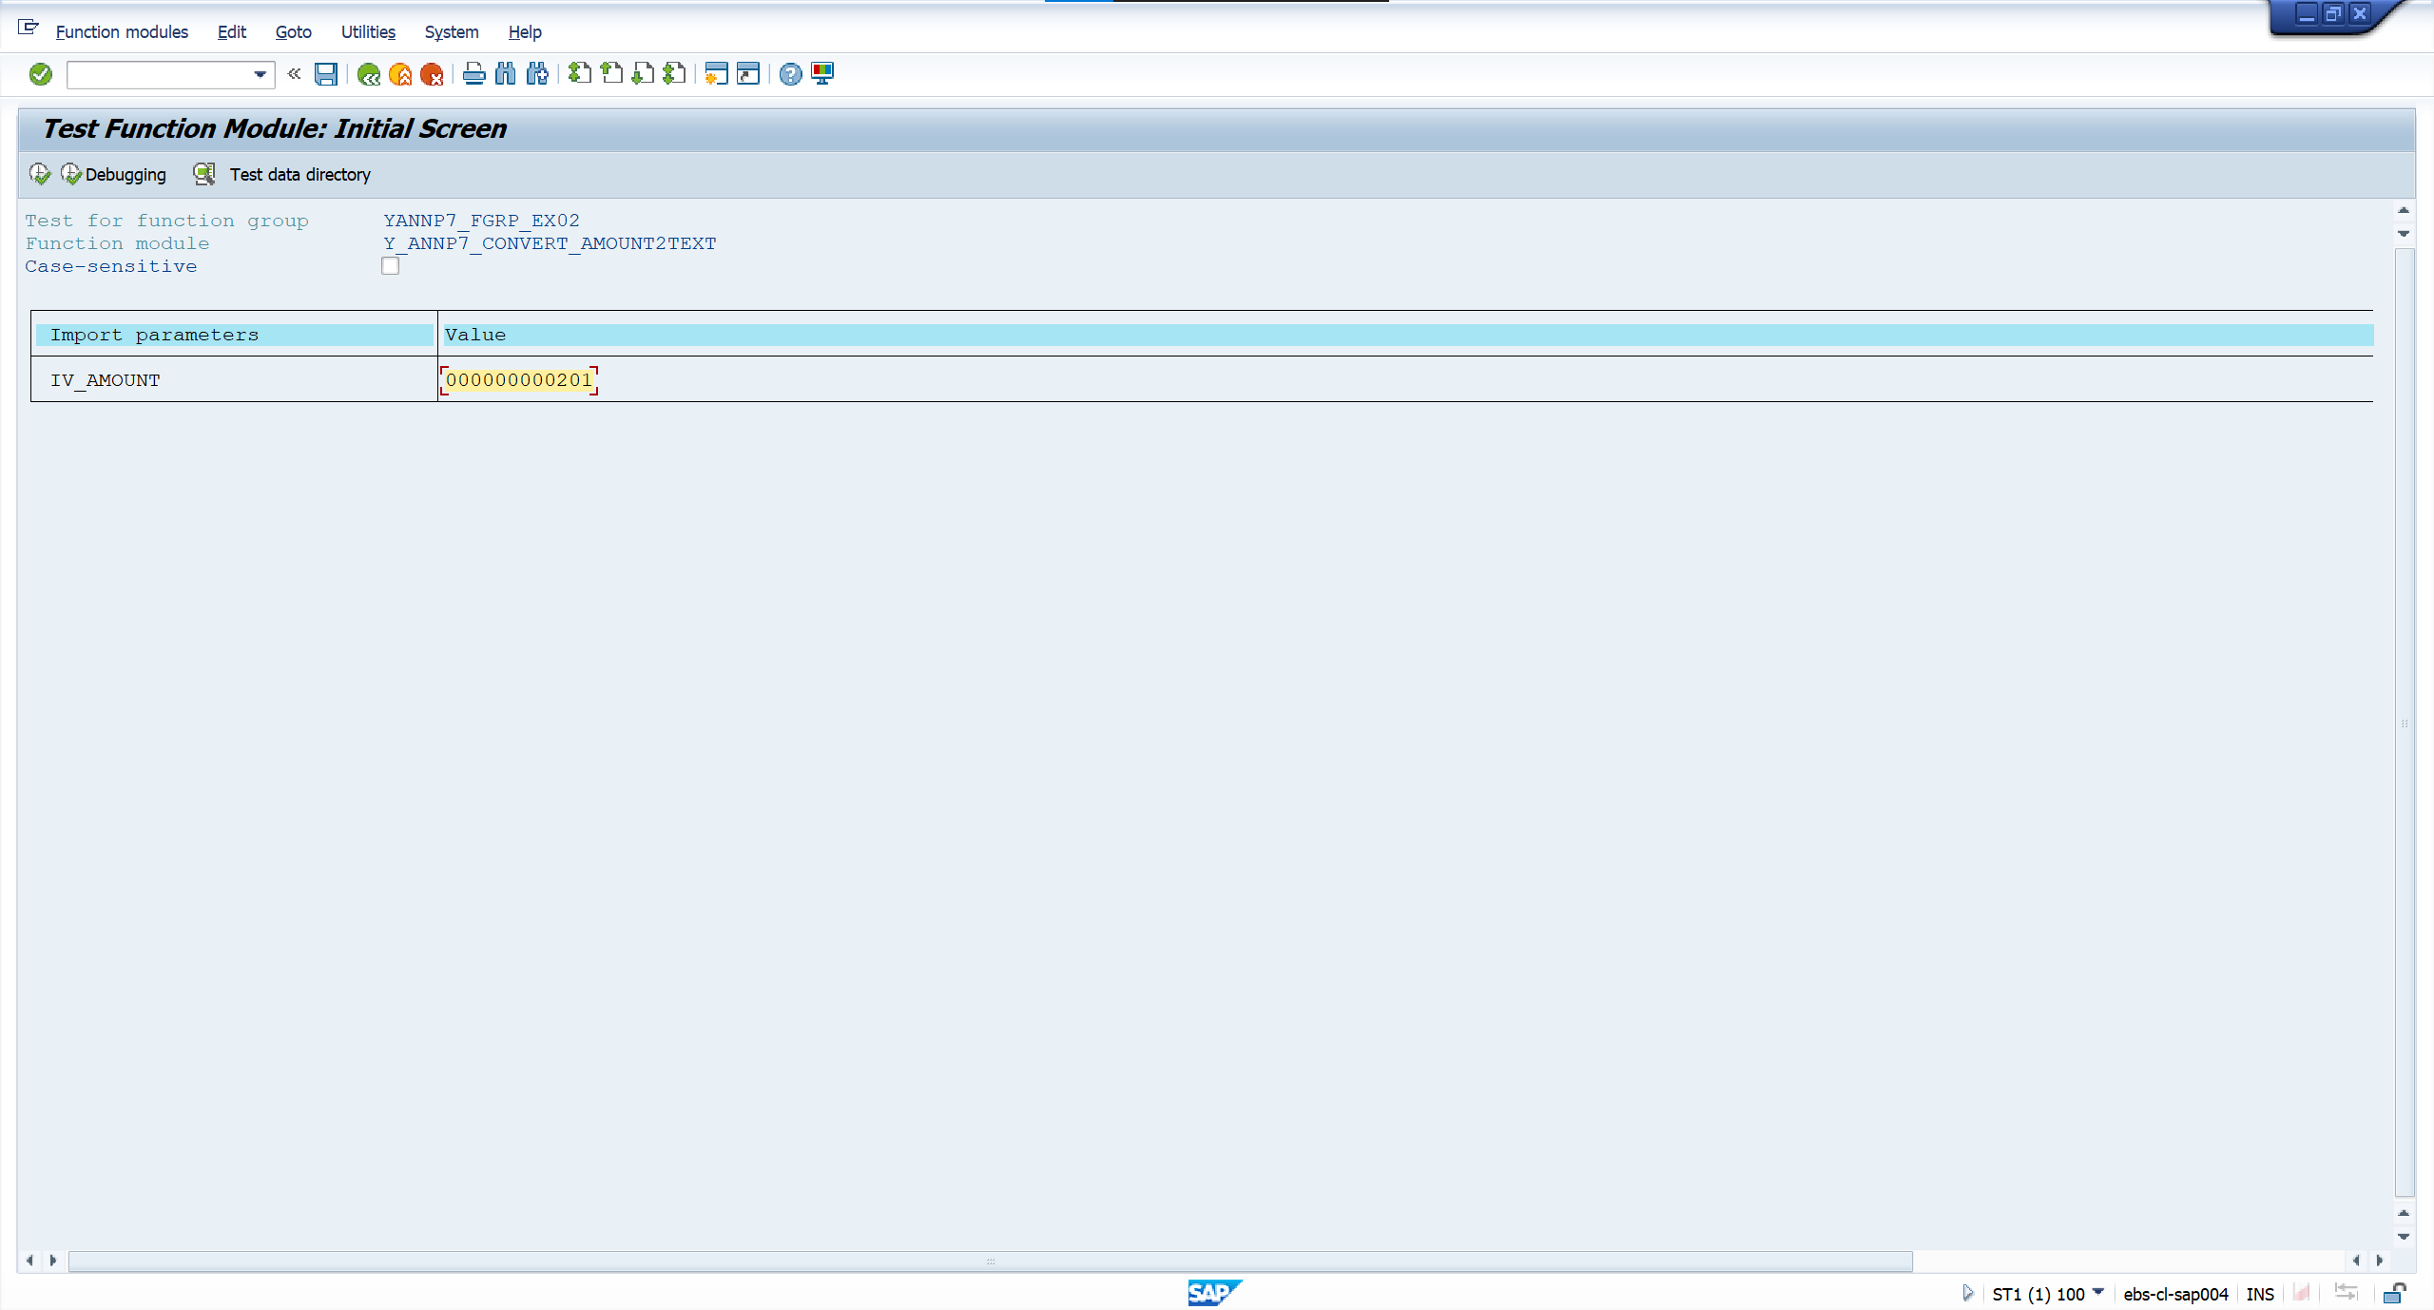

 | Output

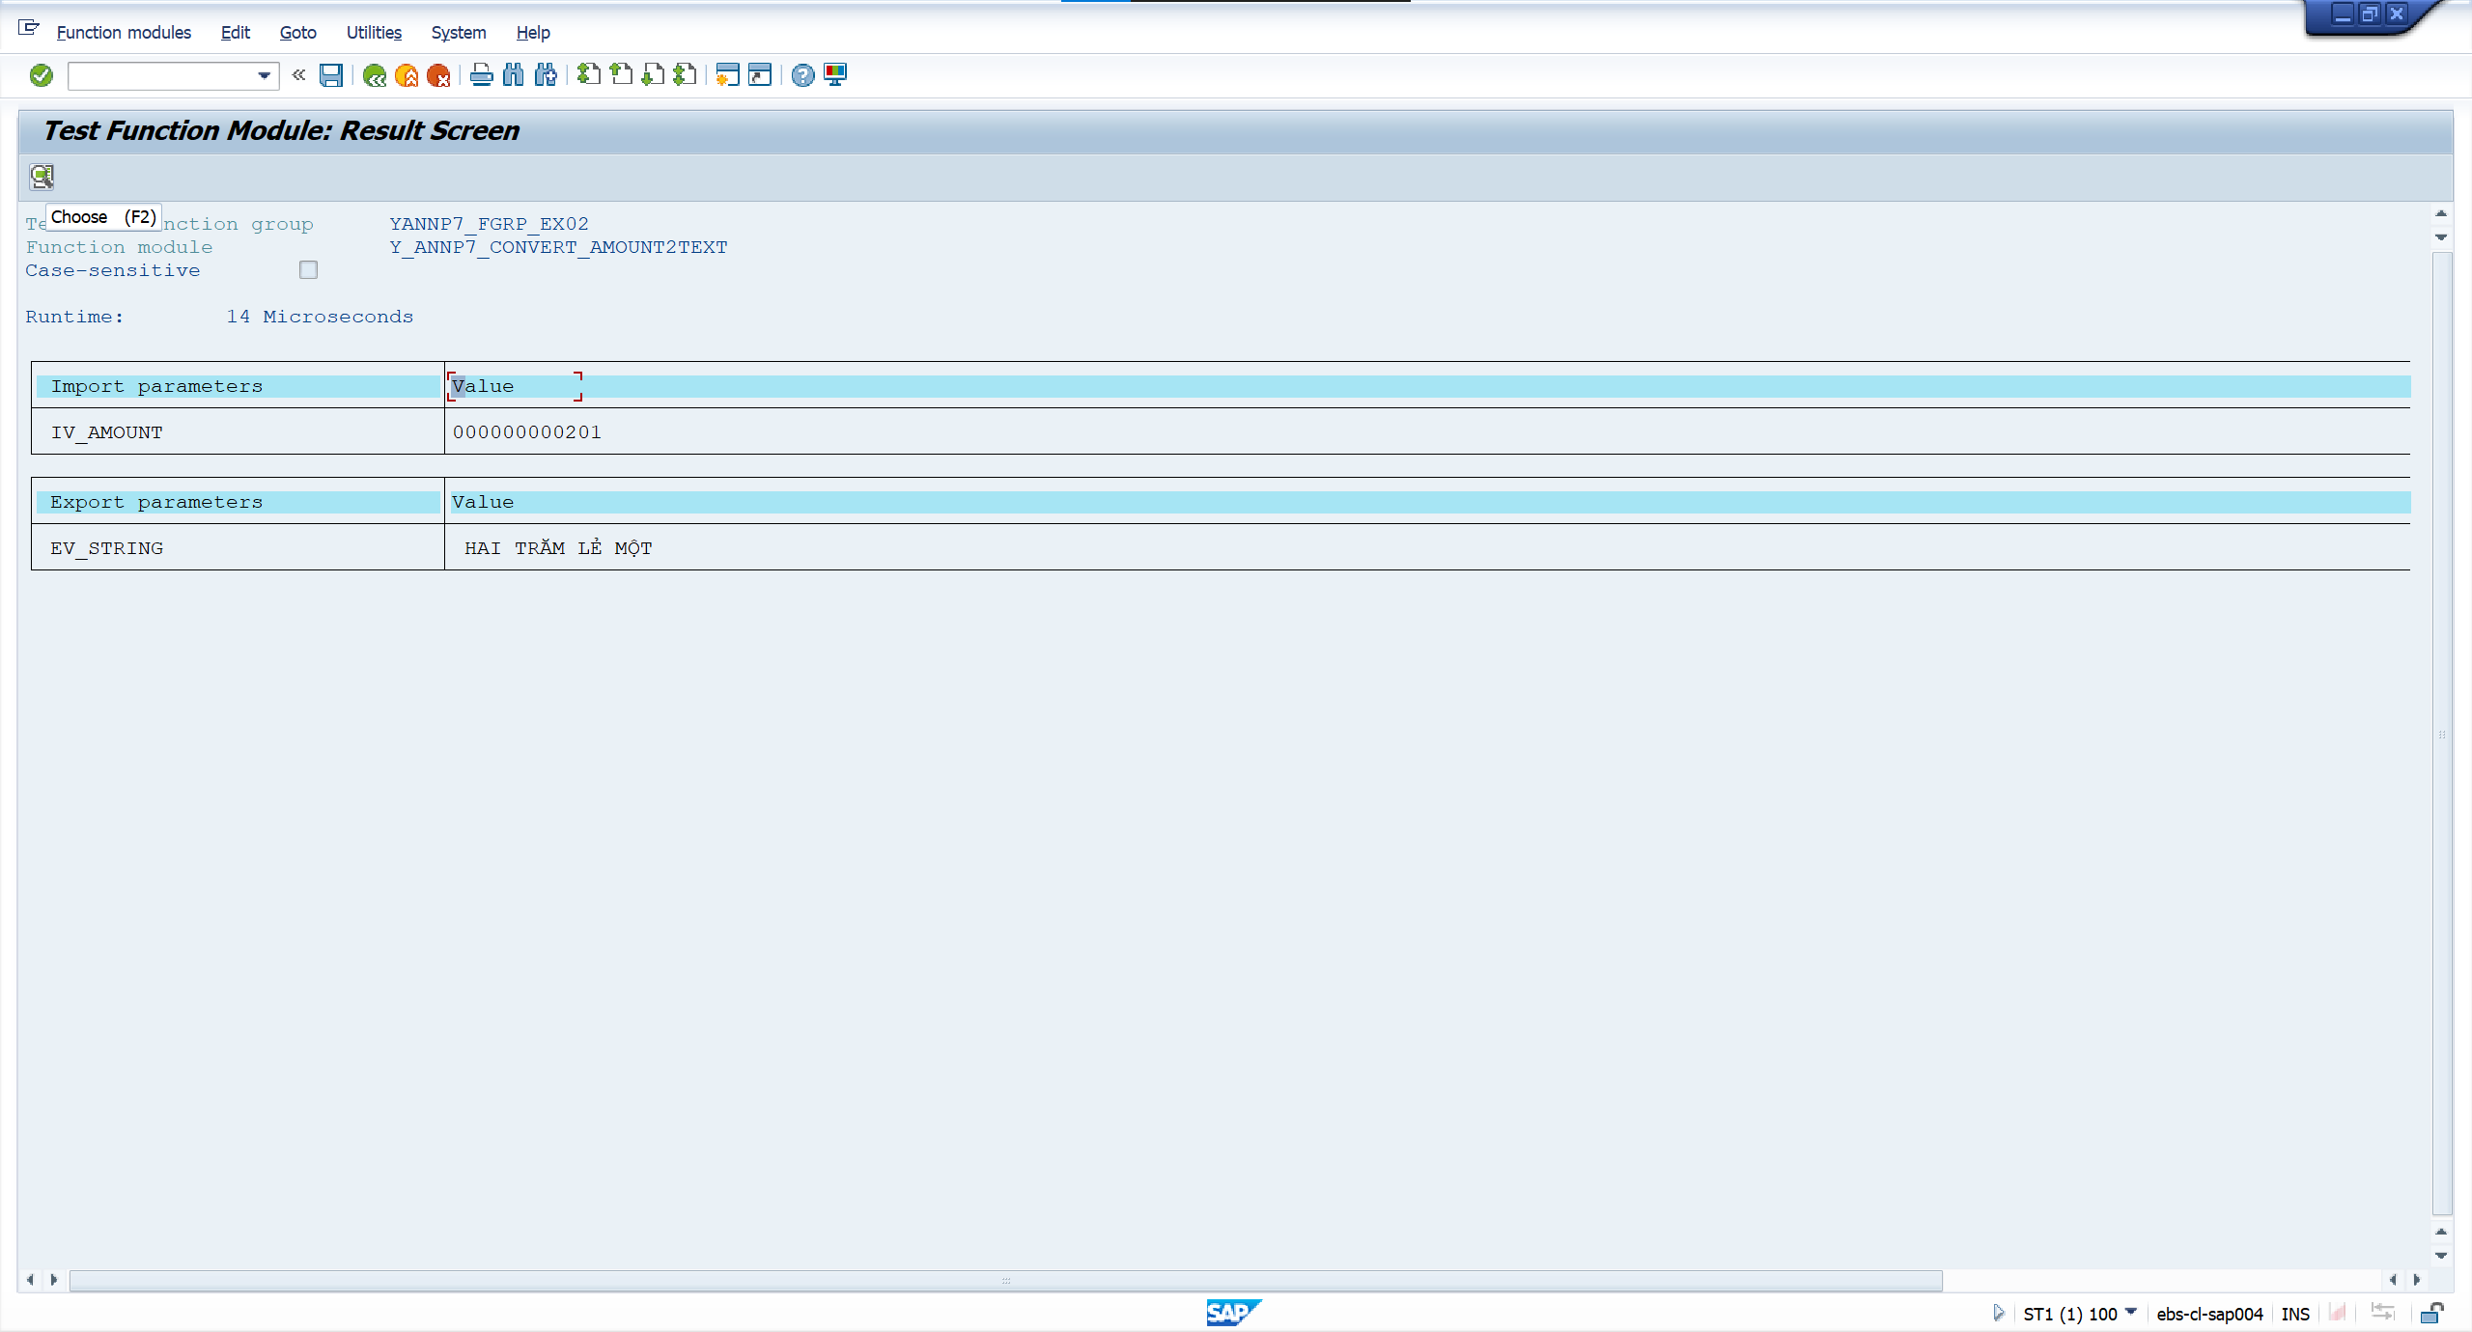

 | Case 5: Input amount = 61

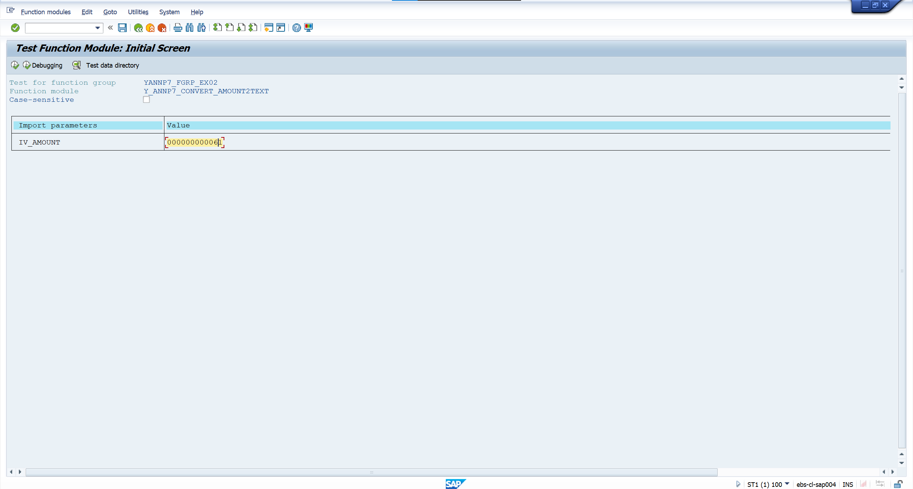

 | Output

